MOVE
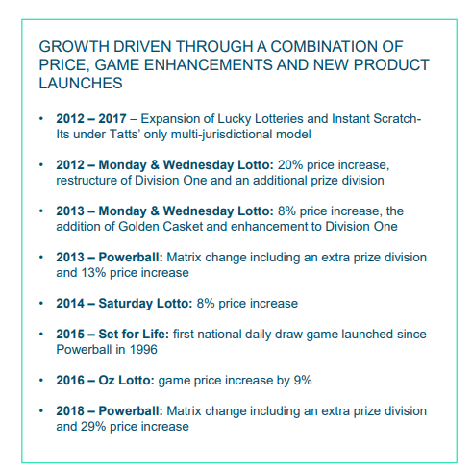

Aus Retailers Comms
 | The Lott | NSW & ACT | VIC | QLD | SA | LW | JIN

 |  |  |  |  |  |  |  |  |  | 22000 | 22000 | 22000
Retailer Commissions |  |  |  |  |  |  |  |  |  | 52 | 52 | 52
PBL, OZL, SL, M&W&FL, SFL |  | 12.30% | 12.30% | 12.30% | 12.30% | 12.00% |  |  |  | 1,144,000 | 1,144,000 | 1,144,000
Lucky Lotteries |  | 10.00% | 10.00% | 10.00% | 10.00% | #N/A |  |  |  | 1.0% | 0.5% | 0.0%
Instants |  | 8.00% | 8.00% | 8.00% | 7.50% | 8.00% |  |  |  | 11,440 | 5,720 | 0
$1 Instants |  | 9.00% | 9.00% | 9.00% |  |  |  |  |  | 686 | 686 | 686
Super 66 & Cash 3 |  |  |  |  |  | 7.00% |  |  |  | 10,754 | 5,034 | -686
Coin Toss |  |  |  |  | 7.00%
Keno |  |  |  |  | 9.90% |  |  |  |  | 74500

Charges |  |  |  |  |  |  |  |  |  | 12195
 |  |  |  |  |  |  |  |  |  | 118398.05825
Bloc |  | 2.00% | 2.41% | 2.00% | 2.51% | 0.50%
Lucky Lotteries |  | 1.00% | 1.14% | 1.00% | 0.55% | #N/A
Instants |  | 0.90% | 1.14% | 0.70% | 0.55% | 0.00%

Deductions - Bloc only
Green |  | 1.00% | 1.00% | 1.00% | 1.00% |  |  | << most will be green
Amber |  | 0.50% | 0.50% | 0.50% | 0.50%
Red |  | 0.00% | 0.00% | 0.00% | 0.00%

Omni Channel

Sign up Bonus
Digital Margin |  | 3.00% | 3.00% | 3.00% | 3.00% |  |  | up from 1% | SA took longer to come in

Performance
Green |  | 4.00% | 4.00% | 4.00% | 4.00% |  |  | up from 2%
Amber |  | 2.00% | 2.00% | 2.00% | 2.00% |  |  | up from 1%
Red |  | 0.00% | 0.00% | 0.00% | 0.00%

Fees

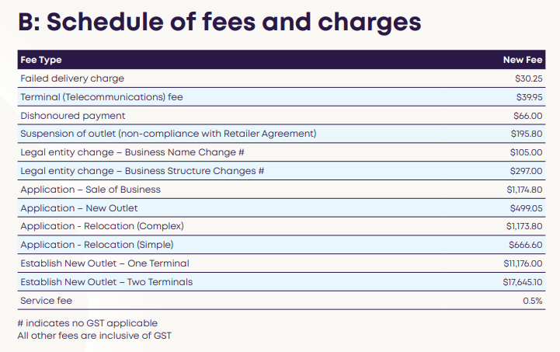
Application Fees
Change of Ownership/Transfer |  | $550 | $550 | $550 | $550 | See Snip
Change of Business Structure |  | $550 | $550 | $550 | $550
Change of Ownership & Relocation |  | $825 | $825 | $825 | $825
New Site |  | $825 | $825 | $825 | $825
Relocation |  | $825 | $825 | $825 | $825

All Products Outlet Training Fees
First Week |  | $396 | $396 | $396 | $396 |  |  | pp.
Second Week |  | $1,025 | $1,025 | $1,025 | $1,025 |  |  | pp.

All Products Outlet Franchise Fees
Change of Ownership Franchise |  | 1.1% | 1.1% | 1.1% | 1.1% |  |  | of Subs during next 12 months
New Site Establishment |  | $27,500 | $27,500 | $27,500 | $27,500
New Outlet Franchisee |  | 1.1% | 1.1% | 1.1% | 1.1% |  |  | of Subs during next 36 months

Changed Ownership Structure of the Franchisee
Change of Ownership Franchise |  | 1.1% | 1.1% | 1.1% | 1.1% |  |  | of Subs during next 12 months

Renewal Fees
Renewal |  | $275 | $275 | $275 | $275

SA has Keno Monitor Fees
Monitor and Modulator Fees A monitor fee of $5.50 (incl. GST) per standard Keno monitor and a modulator fee of $5.50 (incl. GST) are payable weekly.

Aus Retail Locations
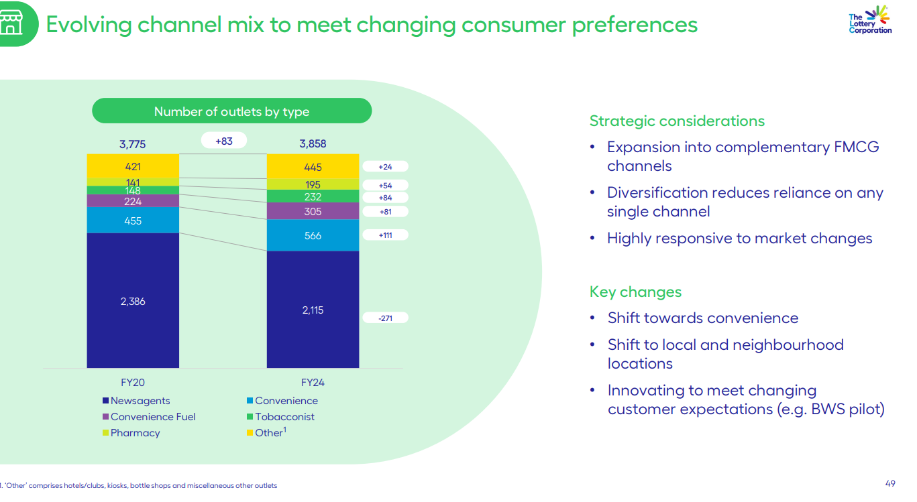
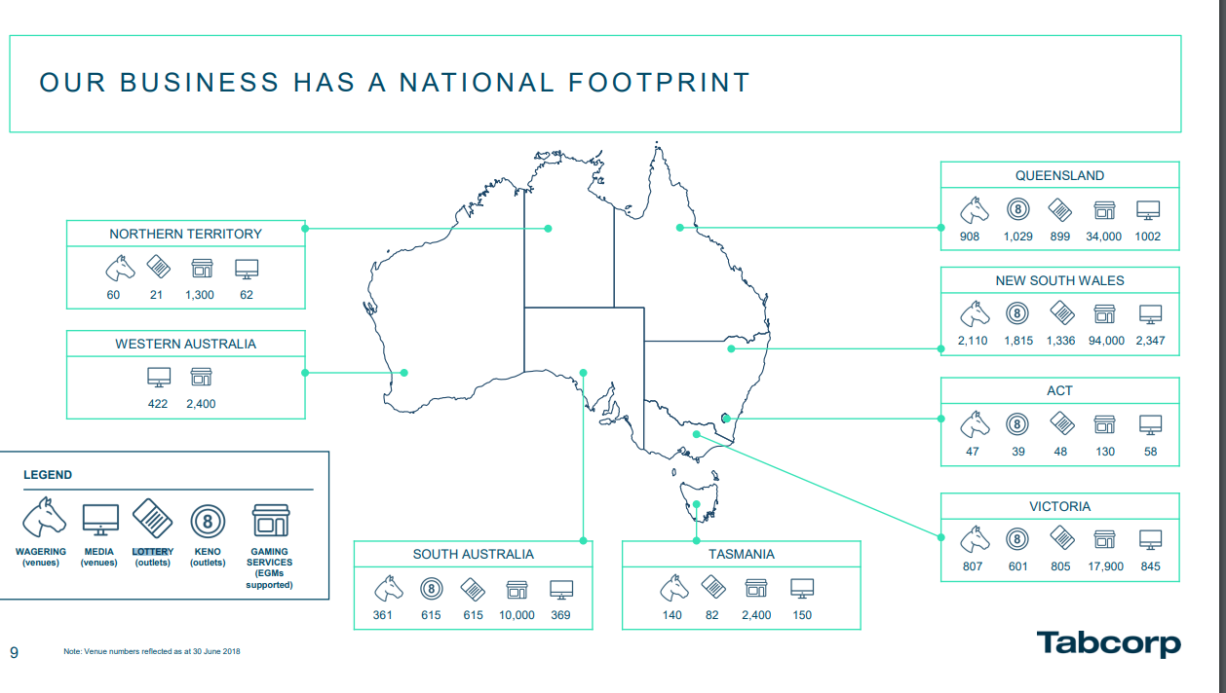
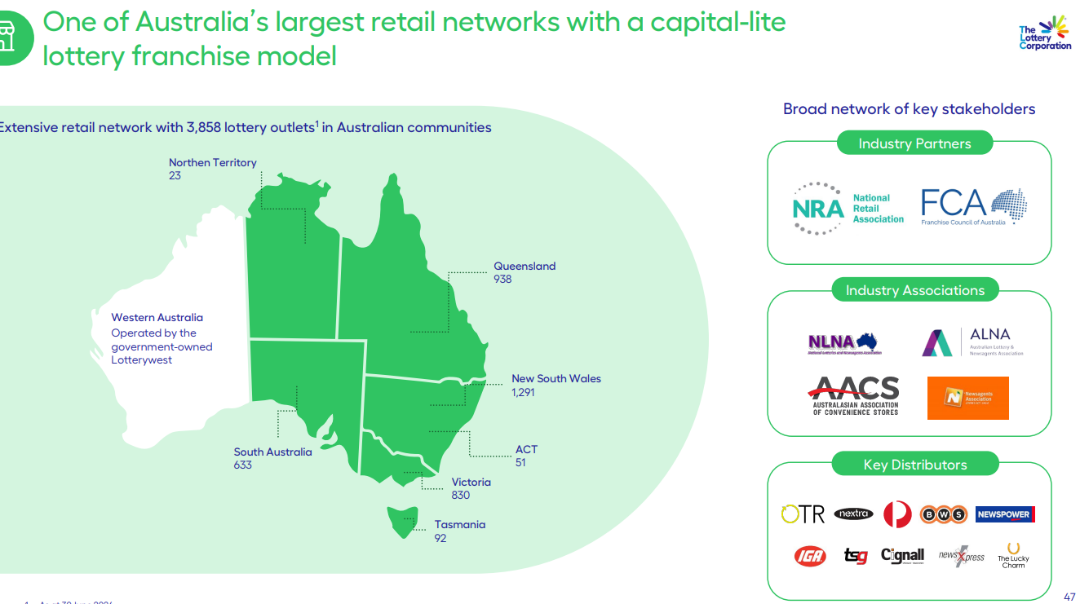
Check Investor Day

Outlets

 | FY22 | FY23
Lottery
NSW | 1326 | 1305
VIC | 813 | 824
QLD | 935 | 944
SA | 621 | 627
WA | 0 | 0
TAS | 90 | 93 | 4434
ACT | 48 | 50 | 533
NT | 24 | 26 | 3901 | 3858
Total | 3,857
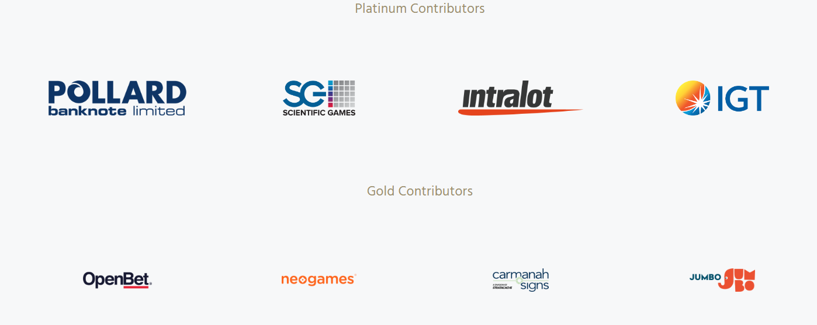
 |  |  | 790 | 830
Keno |  |  | 20.3% | 21.5%
NSW | 1766 | 1748
VIC | 542 | 525
QLD | 1065 | 1065
SA | 621 | 627
WA | 0 | 0
TAS | 0 | 0
ACT | 39 | 39
NT | 0 | 0
Total | 3,412 | 3,377

ActiveCustomers

WW Digital Penetration
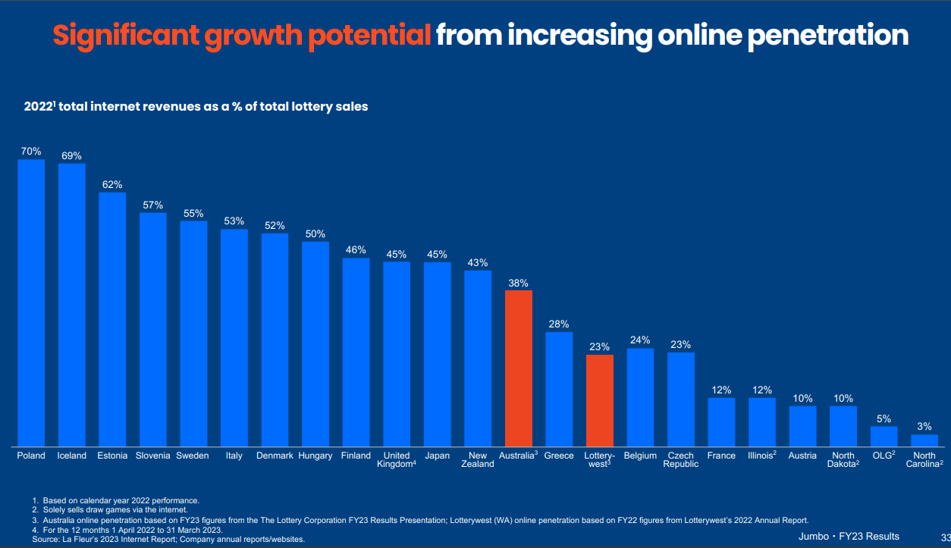
UK |  | Ireland
Period End | Online %
Mar-09 | 0.0%
Mar-10 | 12.7%
Mar-11 | 14.1%
Mar-12 | 15.9%
Mar-13 | 17.0%
Mar-14 | 17.5%
Mar-15 | 18.4%
Mar-16 | 20.9%
Mar-17 | 21.9% | 2016 | 5.4%
Mar-18 | 23.7% | 2017 | 6.5%
Mar-19 | 25.4% | 2018 | 7.7%
Mar-20 | 31.1% | 2019 | 9.1%
Mar-21 | 41.9% | 2020 | 14.8%
Mar-22 | 42.2% | 2021 | 16.6%
Mar-23 | 45.0% | 2022 | 15.9%

Aus Penetration
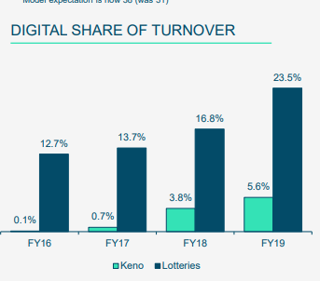
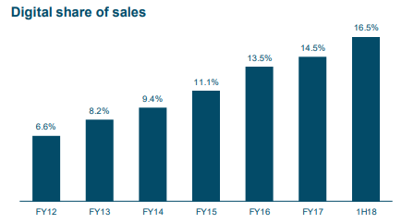
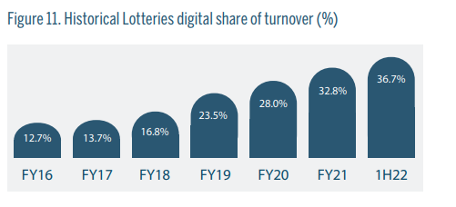
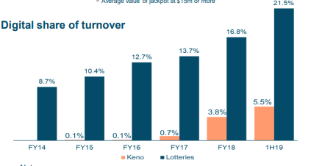
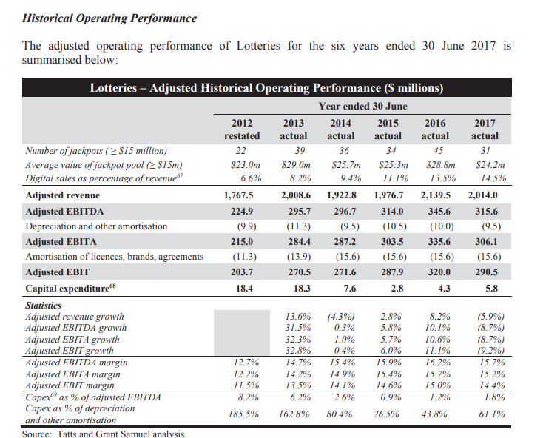
 | 1H20 | 2H20 | 1H21 | 2H21 | 1H22 | 2H22 | 1H23 | 2H23 | 1H24 | 2H24 | 1H25 | 2H25 | FY14 | FY15 | FY16 | FY17 | FY18 | FY19 | FY20 | FY21 | FY22 | FY23 | FY24 | FY25 | FY25

 | 1H20A | 2H20A | 1H21A | 2H21A | 1H22A | 2H22A | 1H23E | 2H23E | 1H24E | 2H24E | 1H25E | 2H25E | FY14A | FY15A | FY16A | FY17A | FY18A | FY19A | FY20A | FY21A | FY22A | FY23E | FY24E | FY25E | FY25E
 | Dec-19 | Jun-20 | Dec-20 | Jun-21 | Dec-21 | Jun-22 | Dec-22 | Jun-23 | Dec-23 | Jun-24 | Dec-24 | Jun-25 | Jun-14 | Jun-15 | Jun-16 | Jun-17 | Jun-18 | Jun-19 | Jun-20 | Jun-21 | Jun-22 | Jun-23 | Jun-24 | Jun-25 | Jun-26

Lottery
Digital Turnover | 815 | 773 | 986 | 1,025 | 1,268 | 1,262 | 1,402 | 1,138 | 1,367 | 1,638 |  |  |  |  |  |  |  |  | 1,588 | 2,011 | 2,530 | 2,540 | 3,005
Retail Turnover | 2,243 | 1,835 | 2,082 | 2,032 | 2,170 | 2,016 | 2,247 | 1,827 | 2,082 | 2,260 |  |  |  |  |  |  |  |  | 4,078 | 4,114 | 4,186 | 4,074 | 4,342
Total Turnover | 3,058 | 2,608 | 3,068 | 3,057 | 3,438 | 3,278 | 3,649 | 2,965 | 3,449 | 3,898 |  |  |  |  |  |  |  |  | 5,666 | 6,125 | 6,716 | 6,614 | 7,347
Digital Penetration | 26.7% | 29.6% | 32.1% | 33.5% | 36.9% | 38.5% | 38.4% | 38.4% | 39.6% | 42.0% |  |  | 8.7% | 10.4% | 12.7% | 13.7% | 16.8% | 23.5% | 28.0% | 32.8% | 37.7% | 38.4% | 40.9%

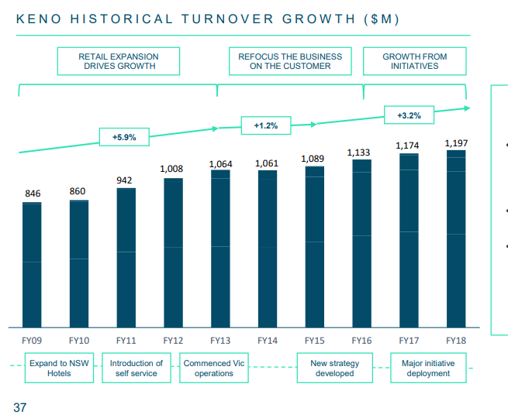
Keno
Digital Turnover | 43 | 79 | 122 | 90 | 129 | 114 | 115 | 94 | 103 | 101 |  |  |  |  |  |  |  |  | 122 | 212 | 243 | 209 | 204
Retail Turnover | 583 | 316 | 590 | 563 | 445 | 601 | 666 | 624 | 682 | 665 |  |  |  |  |  |  |  |  | 899 | 1,153 | 1,046 | 1,290 | 1,347
Total Turnover | 626 | 395 | 712 | 653 | 574 | 715 | 781 | 718 | 785 | 766 |  |  |  |  |  |  |  |  | 1,021 | 1,365 | 1,289 | 1,499 | 1,551
Digital Penetration | 6.9% | 20.0% | 17.1% | 13.8% | 22.5% | 15.9% | 14.7% | 13.1% | 13.1% | 13.2% |  |  |  |  | 0.1% | 0.7% | 3.8% | 5.6% | 11.9% | 15.5% | 18.9% | 13.9% | 13.2%

Sheet1
 | Turnover | Rev per Customer | Customer Proportion
Unregistered Retail | 42.30% |  | 62.2%
Registered Retail | 36.80% | 1.80x | 20.4%
Registered Omni | 5.30% | 2.80x | 1.9%
Registered Digital Only | 15.50% | 1.00x | 15.5%

 |  |  | 46%
 |  |  | 49.4%
7.6643943367

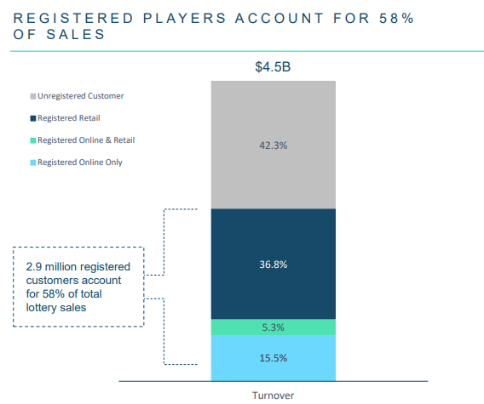
4.7643943367
0.62162698413

TLC Margins - State
 |  |  |  |  |  |  |  |  |  |  |  |  |  |  | 905
TLC Investor Day |  |  |  |  |  |  |  |  |  |  |  |  |  | 928 |  |  |  |  | 3.00x |  | 4.00x | 5.00x | 6.00x | 7.00x | 8.00x | 9.00x | 10.00x
Retailer Commission |  | 12.3%
 |  |  |  |  |  |  |  |  |  |  |  |  |  |  |  |  |  |  |  |  | EBITDA MULTIPLE
Operator |  | 8.2% |  |  |  |  |  |  |  |  |  |  |  |  |  |  | 440.6 |  | 3.00x |  | 4.00x | 5.00x | 6.00x | 7.00x | 8.00x | 9.00x | 10.00x
 |  |  |  |  |  |  |  |  |  |  |  |  |  |  |  |  |  | $0 | $2,154 | $0 | $2,872 | $3,590 | $4,308 | $5,026 | $5,744 | $6,462 | $7,180
Retyrb ti Player |  | 60.0% |  |  |  |  |  |  |  |  |  |  |  | 79.4% |  |  | 79.4% | $0 | $264 | $0 | $352 | $441 | $529 | $617 | $705 | $793 | $881
 |  |  |  |  |  |  |  |  |  |  |  |  |  |  |  |  |  | $0 | $2,154 | $0 | $2,872 | $3,590 | $4,308 | $5,026 | $5,744 | $6,462 | $7,180
GST |  | 4.8% |  |  |  |  |  |  |  |  |  |  |  | 70.0% |  |  | 70.0% | $0 | $488 | $0 | $651 | $813 | $976 | $1,139 | $1,302 | $1,464 | $1,627
State Tax Lottery |  | 27.0% |  |  |  |  |  |  |  |  |  |  |  | 72.0% |  |  | 72.0% | $0 | $440 | $0 | $587 | $734 | $881 | $1,028 | $1,175 | $1,321 | $1,468
 |  |  |  |  |  |  |  |  |  |  |  |  |  | 74.0% |  | TAX | 74.0% | $0 | $393 | $0 | $524 | $655 | $786 | $917 | $1,048 | $1,179 | $1,310
Backed out GST |  | 4.75% |  |  |  |  |  |  |  |  |  |  |  | 76.0% |  | RATE | 76.0% | $0 | $345 | $0 | $460 | $575 | $691 | $806 | $921 | $1,036 | $1,151
 |  |  |  |  |  |  |  |  |  |  |  |  |  | 78.0% |  |  | 78.0% | $0 | $298 | $0 | $397 | $496 | $595 | $695 | $794 | $893 | $992
 |  |  |  |  |  |  |  |  |  |  |  |  |  | 80.0% |  |  | 80.0% | $0 | $250 | $0 | $333 | $417 | $500 | $584 | $667 | $750 | $834

 |  |  |  |  |  |  |  |  |  |  |  |  |  |  |  |  |  |  |  |  | Current Licence
Ticket purchase Location |  | Australia | Fiji
Victorian Lottery Tax |  | 79.40% | 90.00%
GST |  | Yes | No

79.40% of player loss (where GST is payable). 90% of player loss (where GST is not payable)

https://www.treasury.nsw.gov.au/sites/default/files/FY24-05/trp24-13_interstate-comparison-of-taxes-2023-24.pdf
https://www.qgso.qld.gov.au/issues/2646/australian-gambling-statistics-39th-edn-1997-98-2022-23.pdf

TAX RATES

FY24

 |  | VIC | NSW | QLD | SA | TAS | NT | ACT

State Taxes |  | 79.4% | 76.9% | 73.5% | 41.0%
GST Credit |  | No | Yes | Yes | No

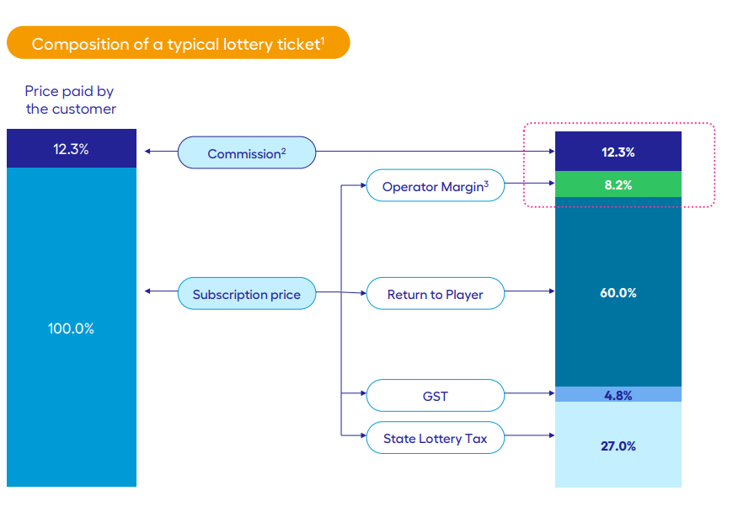
RETAIL MARGINS

FY24

 |  | VIC | NSW | QLD | SA | TAS | NT | ACT

Commissions & Prizes
Total Ticket Cost |  | 112.3% | 112.3% | 112.3% | 112.3%
Retailer Commission |  | 12.3% | 12.3% | 12.3% | 12.3%
Subscription Price |  | 100.0% | 100.0% | 100.0% | 100.0%
Prize Allocation (%) |  | 60.0% | 60.0% | 60.0% | 60.0%
Subscriptions less Prizes or "Player Loss" | (A) | 40.0% | 40.0% | 40.0% | 40.0%

GST
Player Loss |  | 40.0% | 40.0% | 40.0% | 40.0%
Retailer Commission Allocated |  | 12.3% | 12.3% | 12.3% | 12.3%
Assesable GST Revenue |  | 52.3% | 52.3% | 52.3% | 52.3%
Tax Rate (%) |  | 9.09% | 9.09% | 9.09% | 9.09%
GST Payable | (B) | 4.8% | 4.8% | 4.8% | 4.8%

State Lottery Taxes
Player Loss |  | 40.0% | 40.0% | 40.0% | 40.0%
GST Credit |  | NA | -4.8% | -4.8% | NA
Player Loss less GST Credit |  | 40.0% | 35.2% | 35.2% | 40.0%
Tax Rate (%) |  | 79.4% | 76.9% | 73.5% | 41.0%
State Taxes Paid | (C) | 31.8% | 27.1% | 25.9% | 16.4%

Operator Margin
Player Loss | (A) | 40.0% | 40.0% | 40.0% | 40.0%
(-) GST Payable | (B) | -4.8% | -4.8% | -4.8% | -4.8%
(-) State Tax | (C) | -31.8% | -27.1% | -25.9% | -16.4%
Operator Margin |  | 3.5% | 8.1% | 9.3% | 18.8%
Effective Tax (%) - Total |  | 91.3% | 79.7% | 76.6% | 52.9%

2023

 |  | VIC | NSW | QLD | SA | TAS | NT | ACT

Commissions & Prizes
Total Ticket Cost |  | 110.3% | 110.3% | 110.3% | 110.3%
Retailer Commission |  | 10.3% | 10.3% | 10.3% | 10.3%
Subscription Price |  | 100.0% | 100.0% | 100.0% | 100.0%
Prize Allocation (%) |  | 60.0% | 60.0% | 60.0% | 60.0%
Subscriptions less Prizes or "Player Loss" | (A) | 40.0% | 40.0% | 40.0% | 40.0%

GST
Subscriptions Less Prizes |  | 40.0% | 40.0% | 40.0% | 40.0%
Retailer Commission Allocated |  | 10.3% | 10.3% | 10.3% | 10.3%
Assesable GST Revenue |  | 50.3% | 50.3% | 50.3% | 50.3%
Tax Rate (%) |  | 9.09% | 9.09% | 9.09% | 9.09%
GST Payable | (B) | 4.6% | 4.6% | 4.6% | 4.6%

State Lottery Taxes
Player Loss |  | 40.0% | 40.0% | 40.0% | 40.0%
GST Credit |  | NA | -4.6% | -4.6% | NA
Player Loss less GST Credit |  | 40.0% | 35.4% | 35.4% | 40.0%
Tax Rate (%) |  | 79.4% | 76.9% | 73.5% | 41.0%
State Taxes Paid | (C) | 31.8% | 27.2% | 26.0% | 16.4%

Operator Margin
Player Loss | (A) | 40.0% | 40.0% | 40.0% | 40.0%
(-) GST Payable | (B) | -4.6% | -4.6% | -4.6% | -4.6%
(-) State Tax | (C) | -31.8% | -27.2% | -26.0% | -16.4%
Operator Margin |  | 3.7% | 8.2% | 9.4% | 19.0%
Effective Tax (%) - Total |  | 90.8% | 79.6% | 76.5% | 52.4%

FY17

 |  | VIC | NSW | QLD | SA | TAS | NT | ACT

Commissions & Prizes
Total Ticket Cost |  | 109.3% | 109.3% | 109.3% | 109.3% |  | 1
Retailer Commission |  | 9.3% | 9.3% | 9.3% | 9.3%
Subscription Price |  | 100.0% | 100.0% | 100.0% | 100.0%
Prize Allocation (%) |  | 60.0% | 60.0% | 60.0% | 60.0%
Subscriptions less Prizes or "Player Loss" | (A) | 40.0% | 40.0% | 40.0% | 40.0%

GST
Subscriptions Less Prizes |  | 40.0% | 40.0% | 40.0% | 40.0%
Retailer Commission Allocated |  | 9.3% | 9.3% | 9.3% | 9.3%
Assesable GST Revenue |  | 49.3% | 49.3% | 49.3% | 49.3%
Tax Rate (%) |  | 9.09% | 9.09% | 9.09% | 9.09%
GST Payable | (B) | 4.5% | 4.5% | 4.5% | 4.5%

State Lottery Taxes
Player Loss |  | 40.0% | 40.0% | 40.0% | 40.0%
GST Credit |  | NA | -4.5% | -4.5% | NA
Player Loss less GST Credit |  | 40.0% | 35.5% | 35.5% | 40.0%
Tax Rate (%) |  | 79.4% | 76.9% | 73.5% | 41.0%
State Taxes Paid | (C) | 31.8% | 27.3% | 26.1% | 16.4%

Operator Margin
Player Loss | (A) | 40.0% | 40.0% | 40.0% | 40.0%
(-) GST Payable | (B) | -4.5% | -4.5% | -4.5% | -4.5%
(-) State Tax | (C) | -31.8% | -27.3% | -26.1% | -16.4%
Operator Margin |  | 3.8% | 8.2% | 9.4% | 19.1%
Effective Tax (%) - Total |  | 90.6% | 79.5% | 76.5% | 52.2%

FY24

 |  | VIC | NSW | QLD | SA |  | 2

TLC Turnover |  | 7,347.0 | 7,347.0 | 7,347.0 | 7,347.0
State Turnover as a % of AUS ex-WA |  | 29.5% | 33.2% | 24.7% | 8.1%
State Turnover |  | 2,165.8 | 2,436.0 | 1,813.4 | 592.9 |  |  | 265.3%

Operator Margin |  | 3.5% | 8.1% | 9.3% | 18.8%
Variable Contribution |  | 75.5 | 198.2 | 169.5 | 111.7 |  |  | -32.4%

TLC Opex |  | -250.6 | -250.6 | -250.6 | -250.6
Proportional Turnover |  | 29.5% | 33.2% | 24.7% | 8.1% | 2.3% | 1.3% | 1.0%
Proportional State Opex |  | -73.9 | -83.1 | -61.9 | -20.2

EBITDA |  | 1.6 | 115.1 | 107.6 | 91.5

RETAIL ONLY EBITDA - PLUS Retailer Fees

FY24

 |  | VIC | NSW | QLD | SA |  | 3

TLC Turnover |  | 7,347.0 | 7,347.0 | 7,347.0 | 7,347.0
State Turnover as a % of AUS ex-WA |  | 29.5% | 33.2% | 24.7% | 8.1%
State Turnover |  | 2,165.8 | 2,436.0 | 1,813.4 | 592.9 |  |  | 265.3%

Operator Margin |  | 3.5% | 8.1% | 9.3% | 18.8%
Retailer Fees |  | 1.6% | 1.2% | 1.2% | 1.7%
Variable Contribution |  | 109.3 | 226.2 | 190.4 | 121.6 |  |  | -10.1%

TLC Opex |  | -250.6 | -250.6 | -250.6 | -250.6
Proportional Turnover |  | 29.5% | 33.2% | 24.7% | 8.1% | 2.3% | 1.3% | 1.0%
Proportional State Opex |  | -73.9 | -83.1 | -61.9 | -20.2

EBITDA |  | 35.4 | 143.1 | 128.5 | 101.4

FY17
State Turnover |  | 1,261.3 | 1,300.1 | 1,029.6 | 327.3
TLC Opex |  | -139.4 | -139.4 | -139.4 | -139.4
Proportional Turnover |  | 30.3% | 31.2% | 24.7% | 7.9% | 2.3% | 2.6% | 1.1%

FY17

 |  | VIC | NSW | QLD | SA

State Turnover |  | 1,261.3 | 1,300.1 | 1,029.6 | 327.3

Operator Margin |  | 3.8% | 8.2% | 9.4% | 19.1%
Retailer Fees |  | 1.7% | 1.3% | 1.3% | 1.8%
Variable Contribution |  | 69.0 | 123.5 | 110.4 | 68.5

Proportional State Opex |  | -42.2 | -43.5 | -34.4 | -10.9

EBITDA |  | 26.8 | 80.0 | 75.9 | 57.6

MARGINS COMPARISON BY CHANNEL

FY24

 |  | VIC | NSW | QLD | SA
Operator Margin |  | 3.5% | 8.1% | 9.3% | 18.8% |  |  |  |  |  |  | 3.79% | 3.76% | 3.49%
Retailer Commission |  | 12.3% | 12.3% | 12.3% | 12.3% |  |  | 352.9% |  |  |  | 9.00% | 9.30% | 12.30%
The Lott Direct Margin |  | 15.8% | 20.4% | 21.6% | 31.1% |  |  | $4.53 |  |  |  | 12.79% | 13.06% | 15.79%

FY17

 |  | VIC | NSW | QLD | SA
Operator Margin |  | 3.8% | 8.2% | 9.4% | 19.1% |  |  |  |  |  |  | 10.0% | 10.0% | 10.0%
Retailer Commission |  | 9.3% | 9.3% | 9.3% | 9.3%
The Lott Direct Margin |  | 13.1% | 17.5% | 18.7% | 28.4% |  |  | $3.47 |  |  |  | 4.307% | 4.312% | 4.367%

 |  | VIC | NSW | QLD | SA |  | 4
FY24
Operator Margin |  | 3.5% | 8.1% | 9.3% | 18.8%
Retailer Commission |  | 12.3% | 12.3% | 12.3% | 12.3%
The Lott Direct Margin |  | 15.8% | 20.4% | 21.6% | 31.1%

FY17
Operator Margin |  | 3.8% | 8.2% | 9.4% | 19.1%
Retailer Commission |  | 9.3% | 9.3% | 9.3% | 9.3%
The Lott Direct Margin |  | 13.1% | 17.5% | 18.7% | 28.4%

Change
Operator Margin |  | -0.3ppts | -0.1ppts | -0.1ppts | -0.3ppts
Digital Margin |  | +2.7ppts | +2.9ppts | +2.9ppts | +2.7ppts

 |  | VIC | NSW | QLD | SA
Retail Margin
FY17 |  | 3.8% | 8.2% | 9.4% | 19.1%
FY24 |  | 3.5% | 8.1% | 9.3% | 18.8%
Digital Margin
FY17 |  | 13.1% | 17.5% | 18.7% | 28.4%
FY24 |  | 15.8% | 20.4% | 21.6% | 31.1%
Change
FY17 |  | -0.3ppts | -0.1ppts | -0.1ppts | -0.3ppts
FY24 |  | +2.7ppts | +2.9ppts | +2.9ppts | +2.7ppts

 | $0.00 | $0.00 | $0.00 | $0.00
State Turnover | $2,165.77 | $2,436.02 | $1,813.44 | $592.94

Retailer Fees |  | 1.6% | 1.2% | 1.2% | 1.7%

MARGINS SENSITIVITY BY CHANNEL

FY24 - ALT

 |  | VIC | NSW | QLD | SA |  | 5

State Turnover |  | 2,165.8 | 2,436.0 | 1,813.4 | 592.9

Margins
Retail Margin (incl retailer fees) |  | 5.0% | 9.3% | 10.5% | 20.5%
Digital Margin (after distributions) |  | 13.3% | 17.9% | 19.1% | 28.6%

Variable Contribution based on Digital Penetration
0% |  | 109.3 | 226.2 | 190.4 | 121.6
20% |  | 145.0 | 268.3 | 221.7 | 131.2
40% |  | 180.7 | 310.5 | 253.1 | 140.9
 | VIC | NSW | QLD | SA
0 | 35.40041782 | 143.10236502 | 128.50388365 | 101.3607021
0.2 | 71.092380819 | 185.24546292 | 159.87646591 | 111.01379819
0.4 | 106.78434382 | 227.38856081 | 191.24904817 | 120.66689428
0.6 | 142.47630682 | 269.53165871 | 222.62163043 | 130.31999037
0.8 | 178.16826982 | 311.6747566 | 253.99421269 | 139.97308646
1 | 213.86023282 | 353.8178545 | 285.36679495 | 149.62618256
60% |  | 216.3 | 352.6 | 284.5 | 150.5
80% |  | 252.0 | 394.8 | 315.8 | 160.2
100% |  | 287.7 | 436.9 | 347.2 | 169.9

Proportional State Opex |  | -73.9 | -83.1 | -61.9 | -20.2

EBITDA based on Digital Penetration
0% |  | 35.4 | 143.1 | 128.5 | 101.4
20% |  | 71.1 | 185.2 | 159.9 | 111.0
40% |  | 106.8 | 227.4 | 191.2 | 120.7
60% |  | 142.5 | 269.5 | 222.6 | 130.3
80% |  | 178.2 | 311.7 | 254.0 | 140.0
100% |  | 213.9 | 353.8 | 285.4 | 149.6

Set for Life, Jumbo Service Fee, SA includes Keno, SA comes through as Master Agent Fee, Some Retailer Fees & Omni-Channel Commissions
Turnover is grossed up

FY17

 |  | VIC | NSW | QLD | SA

State Turnover |  | 1,261.3 | 1,300.1 | 1,029.6 | 327.3

Margins
Retail |  | 5.3% | 9.3% | 10.6% | 20.8%
Digital |  | 13.1% | 17.5% | 18.7% | 28.4%

Variable Contribution based on Digital Penetration
0% |  | 67.1 | 121.5 | 108.8 | 68.0
20% |  | 86.6 | 142.7 | 125.6 | 73.0
40% |  | 106.1 | 163.9 | 142.4 | 78.0
60% |  | 125.7 | 185.1 | 159.2 | 83.0
80% |  | 145.2 | 206.3 | 176.0 | 88.0
100% |  | 164.7 | 227.5 | 192.7 | 93.0

Proportional State Opex |  | -42.2 | -43.5 | -34.4 | -10.9

EBITDA Contribution based on Digital Penetration
0% |  | 24.9 | 78.1 | 74.4 | 57.1
20% |  | 44.4 | 99.3 | 91.2 | 62.1
40% |  | 63.9 | 120.4 | 108.0 | 67.1
60% |  | 83.5 | 141.6 | 124.7 | 72.1
80% |  | 103.0 | 162.8 | 141.5 | 77.1
100% |  | 122.5 | 184.0 | 158.3 | 82.1

24% |  | 90.5 | 147.0 | 129.0 | 74.0
24% |  | 48.3 | 103.5 | 94.5 | 63.1

Set for Life, Jumbo Service Fee, SA includes Keno, SA comes through as Master Agent Fee, Some Retailer Fees & Omni-Channel Commissions
Assumes Digital Opex = Retail Opex

2018
State Turnover |  | 1,301.6 | 1,376.8 | 1,086.1 | 339.8
TLC Opex |  | -147.1 | -147.1 | -147.1 | -147.1
Proportional Turnover |  | 29.7% | 31.5% | 24.8% | 7.8% | 2.3% | 2.8% | 1.2%

2023
State Turnover |  | 1,926.5 | 2,166.9 | 1,613.1 | 527.4
TLC Opex |  | -226.0 | -226.0 | -226.0 | -226.0
Proportional Turnover |  | 29.5% | 33.2% | 24.7% | 8.1% | 2.3% | 1.3% | 1.0%

SUMMARIES - E&P ESTIMATES

 |  | VIC | NSW | QLD | SA

FY17
State Turnover |  | 1,261.3 | 1,300.1 | 1,029.6 | 327.3

TLC Opex |  | -139.4 | -139.4 | -139.4 | -139.4
Proportional Turnover |  | 30.3% | 31.2% | 24.7% | 7.9%
 |  | -42.2

Adjustment |  | 0.0% | 0.0% | 0.0% | 0.0%
 |  | -42.2 | -43.5 | -34.4 | -10.9

Digital Penetration |  | 13.7% | 13.7% | 13.7% | 13.7%
 |  | 0.0% | 0.0% | 0.0% | 0.0%
 |  | 13.7% | 13.7% | 13.7% | 13.7%

Digital margin |  | 13.1% | 17.5% | 18.7% | 28.4%
Adjustment |  | -1.2% | -1.2% | -1.2% | -1.2%
 |  | 11.9% | 16.3% | 17.5% | 27.2%

Retail Margin
Retailer Fees |  | 1.4% | 1.0% | 1.0% | 1.5%
Other Fees |  | 0.30% | 0.30% | 0.30% | 0.30%
 |  | 1.7% | 1.3% | 1.3% | 1.8%

 |  | 3.8% | 8.2% | 9.4% | 19.1%
Total |  | 5.5% | 9.5% | 10.7% | 20.9%

FY24
TLC Opex |  | -250.6 | -250.6 | -250.6 | -250.6
Proportional Turnover |  | 29.5% | 33.2% | 24.7% | 8.1%
Proportional State Opex |  | -73.9 | -83.1 | -61.9 | -20.2

 |  | -1.0% | 0.0% | 0.5% | 0.5%
 |  | 0.0% | 0.0% | 0.0% | 0.0%

Adjustment |  | 0.0% | 0.0% | 0.0% | 0.0%
 |  | -73.9 | -83.1 | -61.9 | -20.2

Digital Penetration |  | 40.9% | 40.9% | 40.9% | 40.9%
 |  | 0.0% | 0.0% | 0.0% | 0.0%
 |  | 40.9% | 40.9% | 40.9% | 40.9%

Digital margin |  | 15.8% | 20.4% | 21.6% | 31.1%
Adjustment |  | -2.5% | -2.5% | -2.5% | -2.5%
 |  | 13.3% | 17.9% | 19.1% | 28.6%

Retailer Fees |  | 1.41% | 1.00% | 1.00% | 1.51%
Other Fees |  | 0.15% | 0.15% | 0.15% | 0.15%
 |  | 1.6% | 1.2% | 1.2% | 1.7%

 |  | 3.5% | 8.1% | 9.3% | 18.8%
Total |  | 5.0% | 9.3% | 10.5% | 20.5%

FY25
Turnover |  | 6,728.0 | 6,728.0 | 6,728.0 | 6,728.0
Proportional Turnover |  | 29.5% | 33.2% | 24.7% | 8.1%
Proportional State Opex |  | 1,983.3 | 2,230.8 | 1,660.7 | 543.0

TLC Opex |  | -270.0 | -270.0 | -270.0 | -270.0
Proportional Turnover |  | 29.5% | 33.2% | 24.7% | 8.1%
Proportional State Opex |  | -79.6 | -89.5 | -66.6 | -21.8

 |  | -1.0% | 0.0% | 0.5% | 0.5%
 |  | 0.0% | 0.0% | 0.0% | 0.0%

Adjustment |  | 0.0% | 0.0% | 0.0% | 0.0%
 |  | -79.6 | -89.5 | -66.6 | -21.8

Digital Penetration |  | 42.9% | 42.9% | 42.9% | 42.9%
 |  | 0.0% | 0.0% | 0.0% | 0.0%
 |  | 42.9% | 42.9% | 42.9% | 42.9%

Digital margin |  | 15.8% | 20.4% | 21.6% | 31.1%
Adjustment |  | -2.75% | -2.75% | -2.75% | -2.75%
 |  | 13.0% | 17.7% | 18.9% | 28.4%

Retailer Fees |  | 1.41% | 1.00% | 1.00% | 1.51%
Other Fees |  | 0.12% | 0.12% | 0.12% | 0.12%
 |  | 1.5% | 1.1% | 1.1% | 1.6%

 |  | 0.0% | 0.0% | 0.0% | 0.0%
Total |  | 1.5% | 1.1% | 1.1% | 1.6%

 |  | VIC | NSW | QLD | SA |  | 6

FY17
KPI's
Retail Margin (incl retailer fees) |  | 5.5% | 9.5% | 10.7% | 20.9%
Digital Margin (after distributions) |  | 11.9% | 16.3% | 17.5% | 27.2% |  |  |  | 10.2%
Digital Penetration |  | 13.7% | 13.7% | 13.7% | 13.7% |  | << could adjust

Financials
Turnover |  | 1,261.3 | 1,300.1 | 1,029.6 | 327.3 |  |  |  | 1337.745 | << FY16
Retail Variable Contribution |  | 59.5 | 106.6 | 95.3 | 59.1
Digital Variable Contribution |  | 20.5 | 29.0 | 24.7 | 12.2
Variable Contribution |  | 80.0 | 135.6 | 120.0 | 71.3 |  | 406.90 | 456 | 89.3% |  | 49.0
Proportional State Opex |  | -42.2 | -43.5 | -34.4 | -10.9 |  | << could adjust |  |  |  |  | 0.95%
EBITDA |  | 37.8 | 92.1 | 85.5 | 60.4 |  | 275.86 | 316 | 87.4% |  | 39.7

FY24
KPI's
Retail Margin (incl retailer fees) |  | 5.0% | 9.3% | 10.5% | 20.5%
Digital Margin (after distributions) |  | 13.3% | 17.9% | 19.1% | 28.6%
Digital Penetration |  | 40.9% | 40.9% | 40.9% | 40.9% |  | << could adjust

Financials
Turnover |  | 2,165.8 | 2,436.0 | 1,813.4 | 592.9
Retail Variable Contribution |  | 64.6 | 133.7 | 112.5 | 71.9
Digital Variable Contribution |  | 117.7 | 178.7 | 142.0 | 69.5
Variable Contribution |  | 182.3 | 312.4 | 254.5 | 141.3 |  | 890.49 | 975 | 91.3% |  | 84.6
Proportional State Opex |  | -73.9 | -83.1 | -61.9 | -20.2 |  | << could adjust
EBITDA |  | 108.4 | 229.3 | 192.7 | 121.1 |  | 651.44 | 725 | 89.9% |  | 73.1

FY24 vs. FY17
KPI's
Retail Margin (incl retailer fees) |  | -0.4ppts | -0.2ppts | -0.2ppts | -0.4ppts
Digital Margin (after distributions) |  | +1.4ppts | +1.6ppts | +1.6ppts | +1.4ppts
Digital Penetration |  | +27.2ppts | +27.2ppts | +27.2ppts | +27.2ppts

Financials
Turnover |  | +72% | +87% | +76% | +81%
Retail Variable Contribution |  | +8% | +25% | +18% | +22%
Digital Variable Contribution |  | +474% | +516% | +475% | +469%
Variable Contribution |  | +128% | +130% | +112% | +98% |  | 4.68 | 975 | 0.5% |  | 970.4
Proportional State Opex |  | +75% | +91% | +80% | +85%
EBITDA |  | +187% | +149% | +125% | +101% |  | 5.61 | 725 | 0.8% |  | 718.9

 |  | VIC | NSW | QLD | SA

FY17
KPI's
Retail Margin |  | 5.3% | 9.3% | 10.6% | 20.8%
Digital Margin |  | 13.1% | 17.5% | 18.7% | 28.4% |  |  |  | 10.2%
Digital Penetration |  | 13.7% | 13.7% | 13.7% | 13.7% |  | << ex SA

Financials
Turnover |  | 1,261.3 | 1,300.1 | 1,029.6 | 327.3 |  |  |  | 1337.745 | << FY16
Retail Variable Contribution |  | 57.9 | 104.9 | 93.9 | 58.7
Digital Variable Contribution |  | 22.6 | 31.2 | 26.4 | 12.7
Variable Contribution |  | 80.5 | 136.1 | 120.3 | 71.4 |  | 408.27 | 456 | 89.6% |  | 47.6
Proportional State Opex |  | -42.2 | -43.5 | -34.4 | -10.9 |  |  |  |  |  |  | 0.95%
EBITDA |  | 38.3 | 92.6 | 85.9 | 60.5 |  | 277.23 | 316 | 87.8% |  | 38.4

FY24
KPI's
Retail Margin |  | 5.0% | 9.3% | 10.5% | 20.5%
Digital Margin |  | 15.8% | 20.4% | 21.6% | 31.1%
Digital Penetration |  | 40.9% | 40.9% | 40.9% | 40.9%

Financials
Turnover |  | 2,165.8 | 2,436.0 | 1,813.4 | 592.9
Retail Variable Contribution |  | 64.6 | 133.7 | 112.5 | 71.9
Digital Variable Contribution |  | 139.8 | 203.6 | 160.6 | 75.5
Variable Contribution |  | 204.4 | 337.3 | 273.1 | 147.4 |  | 962.15 | 975 | 98.7% |  | 13.0
Proportional State Opex |  | -73.9 | -83.1 | -61.9 | -20.2
EBITDA |  | 130.5 | 254.2 | 211.2 | 127.2 |  | 723.10 | 725 | 99.8% |  | 1.4

 |  | VIC | NSW | QLD | SA
FY24 vs. FY17
KPI's
Retail Margin |  | -0.3ppts | -0.1ppts | -0.1ppts | -0.3ppts
Digital Margin |  | +2.7ppts | +2.9ppts | +2.9ppts | +2.7ppts
Digital Penetration |  | +27.2ppts | +27.2ppts | +27.2ppts | +27.2ppts

Financials
Turnover |  | +71.7% | +87.4% | +76.1% | +81.1%
Retail Variable Contribution |  | +11.6% | +27.4% | +19.8% | +22.4%
Digital Variable Contribution |  | +519.7% | +553.3% | +508.1% | +492.7%
Variable Contribution |  | +154.1% | +147.9% | +126.9% | +106.3%
Proportional State Opex |  | +75.1% | +91.1% | +79.6% | +84.8%
EBITDA |  | +241.1% | +174.6% | +145.9% | +110.2%

 |  | 6,749.3 | 6,749.3 | 6,749.3 | 6,749.3

FY24 50th percentile
KPI's
Retail Margin |  | 5.0% | 9.3% | 10.5% | 20.5%
Digital Margin |  | 13.3% | 17.9% | 19.1% | 28.6%
Digital Penetration |  | 40.9% | 40.9% | 40.9% | 40.9%

Financials
Turnover |  | 1,989.6 | 2,237.9 | 1,665.9 | 544.7
Retail Variable Contribution |  | 59.3 | 122.8 | 103.3 | 66.0
Digital Variable Contribution |  | 108.1 | 164.2 | 130.5 | 63.8
Variable Contribution |  | 167.4 | 287.0 | 233.8 | 129.8
Proportional State Opex |  | -67.9 | -76.3 | -56.8 | -18.6 |  | << adjusted for turnover
EBITDA |  | 99.6 | 210.6 | 177.0 | 111.3

SENSITIVITY FY24

 |  | VIC | NSW | QLD | SA

FY24 - BASE (50th Percentile)
KPI's
Retail Margin |  | 3.5% | 8.1% | 9.3% | 18.8%
Digital Margin |  | 15.8% | 20.4% | 21.6% | 31.1%
Digital Penetration |  | 40.9% | 40.9% | 40.9% | 40.9%

Financials
Turnover |  | 1,989.6 | 2,237.9 | 1,665.9 | 544.7
Retail Variable Contribution |  | 41.0 | 107.6 | 92.0 | 60.7
Digital Variable Contribution |  | 128.5 | 187.0 | 147.5 | 69.4
Variable Contribution |  | 169.4 | 294.6 | 239.5 | 130.1
Proportional State Opex |  | -67.9 | -76.3 | -56.8 | -18.6
EBITDA |  | 101.6 | 218.3 | 182.7 | 111.5

FY24 with FY17 Digital Penetration (13.7%)
KPI's
Retail Margin |  | 3.5% | 8.1% | 9.3% | 18.8%
Digital Margin |  | 15.8% | 20.4% | 21.6% | 31.1%
Digital Penetration |  | 13.7% | 13.7% | 13.7% | 13.7%

Financials
Turnover |  | 1,989.6 | 2,237.9 | 1,665.9 | 544.7
Retail Variable Contribution |  | 59.8 | 157.1 | 134.4 | 88.6
Digital Variable Contribution |  | 43.0 | 62.7 | 49.4 | 23.2
Variable Contribution |  | 102.9 | 219.8 | 183.8 | 111.8
Proportional State Opex |  | -67.9 | -76.3 | -56.8 | -18.6
EBITDA |  | 35.0 | 143.4 | 127.0 | 93.3

FY24 with FY17 Retailer Commissions (9.3%)
KPI's
Retail Margin |  | 5.3% | 9.3% | 10.6% | 20.8%
Digital Margin |  | 13.1% | 17.5% | 18.7% | 28.4%
Digital Penetration |  | 40.9% | 40.9% | 40.9% | 40.9%

Financials
Turnover |  | 1,989.6 | 2,237.9 | 1,665.9 | 544.7
Retail Variable Contribution |  | 62.5 | 123.6 | 104.1 | 66.9
Digital Variable Contribution |  | 106.3 | 160.2 | 127.6 | 63.3
Variable Contribution |  | 168.8 | 283.8 | 231.6 | 130.2
Proportional State Opex |  | -67.9 | -76.3 | -56.8 | -18.6
EBITDA |  | 100.9 | 207.5 | 174.8 | 111.6

FY24 with FY17 Turnover & Opex
KPI's
Retail Margin |  | 3.5% | 8.1% | 9.3% | 18.8%
Digital Margin |  | 15.8% | 20.4% | 21.6% | 31.1%
Digital Penetration |  | 40.9% | 40.9% | 40.9% | 40.9%

Financials
Turnover |  | 1,261.3 | 1,300.1 | 1,029.6 | 327.3
Retail Variable Contribution |  | 26.0 | 62.5 | 56.9 | 36.5
Digital Variable Contribution |  | 81.4 | 108.7 | 91.2 | 41.7
Variable Contribution |  | 107.4 | 171.2 | 148.0 | 78.2
Proportional State Opex |  | -42.2 | -43.5 | -34.4 | -10.9
EBITDA |  | 65.2 | 127.7 | 113.6 | 67.2

vs. FY24
FY17 |  | 38.3 | 92.6 | 85.9 | 60.5
Penetration |  | 66.6 | 74.9 | 55.7 | 18.2
Margins |  | 0.6 | 10.8 | 7.9 | -0.1
Turnover |  | 36.3 | 90.6 | 69.1 | 44.3
FY24 50th percentile - SOP |  | 141.8 | 268.9 | 218.6 | 122.8

FY24 50th percentile |  | 101.6 | 218.3 | 182.7 | 111.5

Penetration |  | 64% | 42% | 42% | 29%
Margins |  | 1% | 6% | 6% | 0%
Turnover |  | 35% | 51% | 52% | 71%

SENSITIVITY FY17

vs. FY24
FY17 |  | 38.3 | 92.6 | 85.9 | 60.5
Penetration |  | 26.6 | 28.8 | 22.8 | 6.8
Margins |  | 1.7 | 4.5 | 3.5 | 0.5
Turnover |  | 20.8 | 65.3 | 52.0 | 39.8
FY24 50th percentile - SOP |  | 87.3 | 191.2 | 164.2 | 107.6

FY24 50th percentile |  | 101.6 | 218.3 | 182.7 | 111.5

Penetration |  | 54% | 29% | 29% | 14%
Margins |  | 4% | 5% | 4% | 1%
Turnover |  | 42% | 66% | 66% | 85%

 |  | VIC | NSW | QLD | SA | TAS | NT | ACT
State Tax ex Credit |  | 79.4% | 67.8% | 64.7% | 41.0%
AGS |  | 79.4% | 65.4% | 60.0% | 49.7% | 73.9% | 59.9% | 65.3%

AGS Operator Margin
Player Loss |  | 40.0% | 40.0% | 40.0% | 40.0% | 40.0% | 40.0% | 40.0%
(-) GST Payable |  | -4.8% | -4.8% | -4.8% | -4.8% | 0.0% | 0.0% | 0.0%
(-) State Tax |  | -31.8% | -26.2% | -24.0% | -19.9% | -29.6% | -24.0% | -26.1%
Operator Margin |  | 3.5% | 9.1% | 11.2% | 15.4% | 10.4% | 16.0% | 13.9%

Margins
Calced |  | 3.5% | 8.1% | 9.3% | 18.8% | 5.8% | 15.0% | 8.1%
AGS |  | 3.5% | 9.1% | 11.2% | 15.4% | 10.4% | 16.0% | 13.9%

Turnover Proportions
TLC 7 |  | 29.5% | 33.2% | 24.7% | 8.1% | 2.3% | 1.3% | 1.0%
Big 4 |  | 30.9% | 34.8% | 25.9% | 8.5%

Calced
TLC 7 |  | 8.0%
Big 4 |  | 7.9%

AGS
TLC 7 |  | 8.6%
Big 4 |  | 8.4%

SENSITIVITY of TAX CHANGES

FY24 - 50th Percentile - GST CREDIT

 |  | VIC | NSW | QLD | SA | TAS | NT | ACT

Commissions & Prizes
Total Ticket Cost |  | 112.3% | 112.3% | 112.3% | 112.3%
Retailer Commission |  | 12.3% | 12.3% | 12.3% | 12.3%
Subscription Price |  | 100.0% | 100.0% | 100.0% | 100.0% |  | 7
Prize Allocation (%) |  | 60.0% | 60.0% | 60.0% | 60.0%
Subscriptions less Prizes or "Player Loss" | (A) | 40.0% | 40.0% | 40.0% | 40.0%

GST
Subscriptions Less Prizes |  | 40.0% | 40.0% | 40.0% | 40.0%
Retailer Commission Allocated |  | 12.3% | 12.3% | 12.3% | 12.3%
Assesable GST Revenue |  | 52.3% | 52.3% | 52.3% | 52.3%
Tax Rate (%) |  | 9.09% | 9.09% | 9.09% | 9.09%
GST Payable | (B) | 4.8% | 4.8% | 4.8% | 4.8%

State Lottery Taxes
Player Loss |  | 40.0% | 40.0% | 40.0% | 40.0% |  | 70.0% | #DIV/0!
GST Credit |  | -4.8% | -4.8% | -4.8% | NA
Player Loss less GST Credit |  | 35.2% | 35.2% | 35.2% | 40.0%
Tax Rate (%) |  | 79.4% | 76.9% | 73.5% | 41.0%
State Taxes Paid | (C) | 28.0% | 27.1% | 25.9% | 16.4%

Operator Margin
Player Loss | (A) | 40.0% | 40.0% | 40.0% | 40.0%
(-) GST Payable | (B) | -4.8% | -4.8% | -4.8% | -4.8%
(-) State Tax | (C) | -28.0% | -27.1% | -25.9% | -16.4%
Operator Margin |  | 7.3% | 8.1% | 9.3% | 18.8%
Effective Tax (%) - Total |  | 81.8% | 79.7% | 76.6% | 52.9%

KPI's
Retail Margin (incl retailer fees) |  | 8.8% | 9.3% | 10.5% | 20.5% |  |  |  |  | X
Digital Margin (after distributions) |  | 17.1% | 17.9% | 19.1% | 28.6%
Digital Penetration |  | 40.9% | 40.9% | 40.9% | 40.9%

Financials
Turnover |  | 1,989.6 | 2,237.9 | 1,665.9 | 544.7
Retail Variable Contribution |  | 103.7 | 122.8 | 103.3 | 66.0
Digital Variable Contribution |  | 138.8 | 164.2 | 130.5 | 63.8
Variable Contribution |  | 242.5 | 287.0 | 233.8 | 129.8
Proportional State Opex |  | -67.9 | -76.3 | -56.8 | -18.6
EBITDA |  | 174.7 | 210.6 | 177.0 | 111.3

FY24 - 50th Percentile |  | 99.6 | 210.6 | 177.0 | 111.3
Uplift |  | +75.4% | - | - | -

FY24 - 50th Percentile - 1%

 |  | VIC | NSW | QLD | SA | TAS | NT | ACT

Commissions & Prizes
Total Ticket Cost |  | 112.3% | 112.3% | 112.3% | 112.3%
Retailer Commission |  | 12.3% | 12.3% | 12.3% | 12.3%
Subscription Price |  | 100.0% | 100.0% | 100.0% | 100.0%
Prize Allocation (%) |  | 60.0% | 60.0% | 60.0% | 60.0%
Subscriptions less Prizes or "Player Loss" | (A) | 40.0% | 40.0% | 40.0% | 40.0%

GST
Subscriptions Less Prizes |  | 40.0% | 40.0% | 40.0% | 40.0%
Retailer Commission Allocated |  | 12.3% | 12.3% | 12.3% | 12.3%
Assesable GST Revenue |  | 52.3% | 52.3% | 52.3% | 52.3%
Tax Rate (%) |  | 9.09% | 9.09% | 9.09% | 9.09%
GST Payable | (B) | 4.8% | 4.8% | 4.8% | 4.8%

State Lottery Taxes
Player Loss |  | 40.0% | 40.0% | 40.0% | 40.0%
GST Credit |  | NA | -4.8% | -4.8% | NA
Player Loss less GST Credit |  | 40.0% | 35.2% | 35.2% | 40.0%
Tax Rate (%) |  | 78.4% | 76.9% | 73.5% | 41.0%
State Taxes Paid | (C) | 31.4% | 27.1% | 25.9% | 16.4%

Operator Margin
Player Loss | (A) | 40.0% | 40.0% | 40.0% | 40.0%
(-) GST Payable | (B) | -4.8% | -4.8% | -4.8% | -4.8%
(-) State Tax | (C) | -31.4% | -27.1% | -25.9% | -16.4%
Operator Margin |  | 3.9% | 8.1% | 9.3% | 18.8%
Effective Tax (%) - Total |  | 90.3% | 79.7% | 76.6% | 52.9%

KPI's
Retail Margin |  | 5.4% | 9.3% | 10.5% | 20.5%
Digital Margin |  | 13.7% | 17.9% | 19.1% | 28.6%
Digital Penetration |  | 40.9% | 40.9% | 40.9% | 40.9%

Financials
Turnover |  | 1,989.6 | 2,237.9 | 1,665.9 | 544.7
Retail Variable Contribution |  | 64.0 | 122.8 | 103.3 | 66.0
Digital Variable Contribution |  | 111.4 | 164.2 | 130.5 | 63.8
Variable Contribution |  | 175.4 | 287.0 | 233.8 | 129.8
Proportional State Opex |  | -67.9 | -76.3 | -56.8 | -18.6
EBITDA |  | 107.5 | 210.6 | 177.0 | 111.3

FY24 - 50th Percentile |  | 99.6 | 210.6 | 177.0 | 111.3
Uplift |  | +8.0% | - | - | -

FY24 - 50th Percentile - 60% Digital Penetration

FY25 - Base

 |  | VIC | NSW | QLD | SA | TAS | NT | ACT

Commissions & Prizes
Total Ticket Cost |  | 112.3% | 112.3% | 112.3% | 112.3%
Retailer Commission |  | 12.3% | 12.3% | 12.3% | 12.3%
Subscription Price |  | 100.0% | 100.0% | 100.0% | 100.0%
Prize Allocation (%) |  | 60.0% | 60.0% | 60.0% | 60.0%
Subscriptions less Prizes or "Player Loss" | (A) | 40.0% | 40.0% | 40.0% | 40.0%

GST
Subscriptions Less Prizes |  | 40.0% | 40.0% | 40.0% | 40.0%
Retailer Commission Allocated |  | 12.3% | 12.3% | 12.3% | 12.3%
Assesable GST Revenue |  | 52.3% | 52.3% | 52.3% | 52.3%
Tax Rate (%) |  | 9.09% | 9.09% | 9.09% | 9.09%
GST Payable | (B) | 4.8% | 4.8% | 4.8% | 4.8%

State Lottery Taxes
Player Loss |  | 40.0% | 40.0% | 40.0% | 40.0%
GST Credit |  | NA | -4.8% | -4.8% | NA
Player Loss less GST Credit |  | 40.0% | 35.2% | 35.2% | 40.0%
Tax Rate (%) |  | 79.4% | 76.9% | 73.5% | 41.0%
State Taxes Paid | (C) | 31.8% | 27.1% | 25.9% | 16.4%

Operator Margin
Player Loss | (A) | 40.0% | 40.0% | 40.0% | 40.0%
(-) GST Payable | (B) | -4.8% | -4.8% | -4.8% | -4.8%
(-) State Tax | (C) | -31.8% | -27.1% | -25.9% | -16.4%
Operator Margin |  | 3.5% | 8.1% | 9.3% | 18.8%
Effective Tax (%) - Total |  | 91.3% | 79.7% | 76.6% | 52.9%

KPI's
Retail Margin |  | 5.0% | 9.3% | 10.5% | 20.5%
Digital Margin |  | 13.0% | 17.7% | 18.9% | 28.4%
Digital Penetration |  | 42.9% | 42.9% | 42.9% | 42.9%

Financials
Turnover |  | 1,983.3 | 2,230.8 | 1,660.7 | 543.0
Retail Variable Contribution |  | 56.8 | 117.9 | 99.3 | 63.5
Digital Variable Contribution |  | 110.9 | 169.3 | 134.6 | 66.1
Variable Contribution |  | 167.7 | 287.1 | 233.9 | 129.6
Proportional State Opex |  | -79.6 | -89.5 | -66.6 | -21.8
EBITDA |  | 88.1 | 197.6 | 167.2 | 107.8

Multiple |  | 5.00x
Valuation |  | $440.6

FY25 - Base - GST Credit

 |  | VIC | NSW | QLD | SA | TAS | NT | ACT

Commissions & Prizes
Total Ticket Cost |  | 112.3% | 112.3% | 112.3% | 112.3%
Retailer Commission |  | 12.3% | 12.3% | 12.3% | 12.3%
Subscription Price |  | 100.0% | 100.0% | 100.0% | 100.0%
Prize Allocation (%) |  | 60.0% | 60.0% | 60.0% | 60.0%
Subscriptions less Prizes or "Player Loss" | (A) | 40.0% | 40.0% | 40.0% | 40.0%

GST
Subscriptions Less Prizes |  | 40.0% | 40.0% | 40.0% | 40.0%
Retailer Commission Allocated |  | 12.3% | 12.3% | 12.3% | 12.3%
Assesable GST Revenue |  | 52.3% | 52.3% | 52.3% | 52.3%
Tax Rate (%) |  | 9.09% | 9.09% | 9.09% | 9.09%
GST Payable | (B) | 4.8% | 4.8% | 4.8% | 4.8%

State Lottery Taxes
Player Loss |  | 40.0% | 40.0% | 40.0% | 40.0%
GST Credit |  | -4.8% | -4.8% | -4.8% | NA
Player Loss less GST Credit |  | 35.2% | 35.2% | 35.2% | 40.0%
Tax Rate (%) |  | 79.4% | 76.9% | 73.5% | 41.0%
State Taxes Paid | (C) | 28.0% | 27.1% | 25.9% | 16.4%

Operator Margin
Player Loss | (A) | 40.0% | 40.0% | 40.0% | 40.0%
(-) GST Payable | (B) | -4.8% | -4.8% | -4.8% | -4.8%
(-) State Tax | (C) | -28.0% | -27.1% | -25.9% | -16.4%
Operator Margin |  | 7.3% | 8.1% | 9.3% | 18.8%
Effective Tax (%) - Total |  | 81.8% | 79.7% | 76.6% | 52.9%

KPI's
Retail Margin |  | 8.8% | 9.3% | 10.5% | 20.5%
Digital Margin |  | 16.8% | 17.7% | 18.9% | 28.4%
Digital Penetration |  | 42.9% | 42.9% | 42.9% | 42.9%

Financials
Turnover |  | 1,983.3 | 2,230.8 | 1,660.7 | 543.0
Retail Variable Contribution |  | 99.5 | 117.9 | 99.3 | 63.5
Digital Variable Contribution |  | 143.0 | 169.3 | 134.6 | 66.1
Variable Contribution |  | 242.6 | 287.1 | 233.9 | 129.6
Proportional State Opex |  | -79.6 | -89.5 | -66.6 | -21.8
EBITDA |  | 163.0 | 197.6 | 167.2 | 107.8

FY25 - Base |  | 88.1 | 197.6 | 167.2 | 107.8
Uplift |  | +85.0% | - | - | -

 |  | VIC | NSW | QLD | SA

Commissions & Prizes
Total Ticket Cost |  | 112.3% | 112.3% | 112.3% | 112.3%
Retailer Commission |  | 12.3% | 12.3% | 12.3% | 12.3%
Subscription Price |  | 100.0% | 100.0% | 100.0% | 100.0%
Prize Allocation (%) |  | 60.0% | 60.0% | 60.0% | 60.0%
Subscriptions less Prizes or "Player Loss" | (A) | 40.0% | 40.0% | 40.0% | 40.0%

GST
Subscriptions Less Prizes |  | 40.0% | 40.0% | 40.0% | 40.0%
Retailer Commission Allocated |  | 12.3% | 12.3% | 12.3% | 12.3%
Assesable GST Revenue |  | 52.3% | 52.3% | 52.3% | 52.3%
Tax Rate (%) |  | 9.09% | 9.09% | 9.09% | 9.09%
GST Payable | (B) | 4.8% | 4.8% | 4.8% | 4.8%

State Lottery Taxes
Player Loss |  | 40.0% | 40.0% | 40.0% | 40.0%
GST Credit |  | NA | -4.8% | -4.8% | NA
Player Loss less GST Credit |  | 40.0% | 35.2% | 35.2% | 40.0%
Tax Rate (%) |  | 78.4% | 76.9% | 73.5% | 41.0%
State Taxes Paid | (C) | 31.4% | 27.1% | 25.9% | 16.4%

Operator Margin |  |  |  |  |  |  |  | TLO | 90,000,000.00
Player Loss | (A) | 40.0% | 40.0% | 40.0% | 40.0% |  |  | ex comm | 80,142,475.51
(-) GST Payable | (B) | -4.8% | -4.8% | -4.8% | -4.8% |  |  | ex PL | 32,056,990.20
(-) State Tax | (C) | -31.4% | -27.1% | -25.9% | -16.4% |  |  | VIC | 9,617,097.06
Operator Margin |  | 3.9% | 8.1% | 9.3% | 18.8% |  |  | VIC | 7,635,975.07
Effective Tax (%) - Total |  | 90.3% | 79.7% | 76.6% | 52.9%

KPI's
Retail Margin |  | 5.4% | 9.3% | 10.5% | 20.5%
Digital Margin |  | 13.4% | 17.7% | 18.9% | 28.4%
Digital Penetration |  | 42.9% | 42.9% | 42.9% | 42.9%

Financials
Turnover |  | 1,983.3 | 2,230.8 | 1,660.7 | 543.0
Retail Variable Contribution |  | 61.3 | 117.9 | 99.3 | 63.5
Digital Variable Contribution |  | 114.3 | 169.3 | 134.6 | 66.1
Variable Contribution |  | 175.6 | 287.1 | 233.9 | 129.6
Proportional State Opex |  | -79.6 | -89.5 | -66.6 | -21.8
EBITDA |  | 96.1 | 197.6 | 167.2 | 107.8

FY25 - Base |  | 88.1 | 197.6 | 167.2 | 107.8
Uplift |  | +9.0% | - | - | -

Sheet2
 |  |  |  |  |  |  |  |  |  |  |  |  |  | 905
TLC Investor Day |  |  |  |  |  |  |  |  |  |  |  |  | 928 |  |  |  |  | 3.00x |  | 4.00x | 5.00x | 6.00x | 7.00x | 8.00x | 9.00x | 10.00x
Retailer Commission | 12.3%
 |  |  |  |  |  |  |  |  |  |  |  |  |  |  |  |  |  |  |  | EBITDA MULTIPLE
Operator | 8.2% |  |  |  |  |  |  |  |  |  |  |  |  |  |  | 440.6 |  | 3.00x |  | 4.00x | 5.00x | 6.00x | 7.00x | 8.00x | 9.00x | 10.00x
 |  |  |  |  |  |  |  |  |  |  |  |  |  |  |  |  | $0 | $2,154 | $0 | $2,872 | $3,590 | $4,308 | $5,026 | $5,744 | $6,462 | $7,180
Retyrb ti Player | 60.0% |  |  |  |  |  |  |  |  |  |  |  | 79.4% |  |  | 79.4% | $0 | $264 | $0 | $352 | $441 | $529 | $617 | $705 | $793 | $881
 |  |  |  |  |  |  |  |  |  |  |  |  |  |  |  |  | $0 | $2,154 | $0 | $2,872 | $3,590 | $4,308 | $5,026 | $5,744 | $6,462 | $7,180
GST | 4.8% |  |  |  |  |  |  |  |  |  |  |  | 70.0% |  |  | 70.0% | $0 | $488 | $0 | $651 | $813 | $976 | $1,139 | $1,302 | $1,464 | $1,627
State Tax Lottery | 27.0% |  |  |  |  |  |  |  |  |  |  |  | 72.0% |  |  | 72.0% | $0 | $440 | $0 | $587 | $734 | $881 | $1,028 | $1,175 | $1,321 | $1,468
 |  |  |  |  |  |  |  |  |  |  |  |  | 74.0% |  | TAX | 74.0% | $0 | $393 | $0 | $524 | $655 | $786 | $917 | $1,048 | $1,179 | $1,310
Backed out GST | 4.75% |  |  |  |  |  |  |  |  |  |  |  | 76.0% |  | RATE | 76.0% | $0 | $345 | $0 | $460 | $575 | $691 | $806 | $921 | $1,036 | $1,151
 |  |  |  |  |  |  |  |  |  |  |  |  | 78.0% |  |  | 78.0% | $0 | $298 | $0 | $397 | $496 | $595 | $695 | $794 | $893 | $992
 |  |  |  |  |  |  |  |  |  |  |  |  | 80.0% |  |  | 80.0% | $0 | $250 | $0 | $333 | $417 | $500 | $584 | $667 | $750 | $834

 |  |  |  |  |  |  |  |  |  |  |  |  |  |  |  |  |  |  |  | Current Licence
Ticket purchase Location | Australia | Fiji
Victorian Lottery Tax | 79.40% | 90.00%
GST | Yes | No

79.40% of player loss (where GST is payable). 90% of player loss (where GST is not payable)

https://www.treasury.nsw.gov.au/sites/default/files/FY24-05/trp24-13_interstate-comparison-of-taxes-2023-24.pdf
https://www.qgso.qld.gov.au/issues/2646/australian-gambling-statistics-39th-edn-1997-98-2022-23.pdf

TAX RATES

FY24

 | VIC | NSW | QLD | SA | TAS | NT | ACT

State Taxes | 79.4% | 76.9% | 73.5% | 41.0%
GST Credit | No | Yes | Yes | No

RETAIL MARGINS

FY24

 | VIC | NSW | QLD | SA | TAS | NT | ACT

Commissions & Prizes
Total Ticket Cost | 112.3% | 112.3% | 112.3% | 112.3%
Retailer Commission | 12.3% | 12.3% | 12.3% | 12.3%
Subscription Price | 100.0% | 100.0% | 100.0% | 100.0%
Prize Allocation (%) | 60.0% | 60.0% | 60.0% | 60.0%
Subscriptions less Prizes or "Player Loss" | 40.0% | 40.0% | 40.0% | 40.0%

GST
Player Loss | 40.0% | 40.0% | 40.0% | 40.0%
Retailer Commission Allocated | 12.3% | 12.3% | 12.3% | 12.3%
Assesable GST Revenue | 52.3% | 52.3% | 52.3% | 52.3%
Tax Rate (%) | 9.09% | 9.09% | 9.09% | 9.09%
GST Payable | 4.8% | 4.8% | 4.8% | 4.8%

State Lottery Taxes
Player Loss | 40.0% | 40.0% | 40.0% | 40.0%
GST Credit | NA | -4.8% | -4.8% | NA
Player Loss less GST Credit | 40.0% | 35.2% | 35.2% | 40.0%
Tax Rate (%) | 79.4% | 76.9% | 73.5% | 41.0%
State Taxes Paid | 31.8% | 27.1% | 25.9% | 16.4%

Operator Margin
Player Loss | 40.0% | 40.0% | 40.0% | 40.0%
(-) GST Payable | -4.8% | -4.8% | -4.8% | -4.8%
(-) State Tax | -31.8% | -27.1% | -25.9% | -16.4%
Operator Margin | 3.5% | 8.1% | 9.3% | 18.8%
Effective Tax (%) - Total | 91.3% | 79.7% | 76.6% | 52.9%

2023

 | VIC | NSW | QLD | SA | TAS | NT | ACT

Commissions & Prizes
Total Ticket Cost | 110.3% | 110.3% | 110.3% | 110.3%
Retailer Commission | 10.3% | 10.3% | 10.3% | 10.3%
Subscription Price | 100.0% | 100.0% | 100.0% | 100.0%
Prize Allocation (%) | 60.0% | 60.0% | 60.0% | 60.0%
Subscriptions less Prizes or "Player Loss" | 40.0% | 40.0% | 40.0% | 40.0%

GST
Subscriptions Less Prizes | 40.0% | 40.0% | 40.0% | 40.0%
Retailer Commission Allocated | 10.3% | 10.3% | 10.3% | 10.3%
Assesable GST Revenue | 50.3% | 50.3% | 50.3% | 50.3%
Tax Rate (%) | 9.09% | 9.09% | 9.09% | 9.09%
GST Payable | 4.6% | 4.6% | 4.6% | 4.6%

State Lottery Taxes
Player Loss | 40.0% | 40.0% | 40.0% | 40.0%
GST Credit | NA | -4.6% | -4.6% | NA
Player Loss less GST Credit | 40.0% | 35.4% | 35.4% | 40.0%
Tax Rate (%) | 79.4% | 76.9% | 73.5% | 41.0%
State Taxes Paid | 31.8% | 27.2% | 26.0% | 16.4%

Operator Margin
Player Loss | 40.0% | 40.0% | 40.0% | 40.0%
(-) GST Payable | -4.6% | -4.6% | -4.6% | -4.6%
(-) State Tax | -31.8% | -27.2% | -26.0% | -16.4%
Operator Margin | 3.7% | 8.2% | 9.4% | 19.0%
Effective Tax (%) - Total | 90.8% | 79.6% | 76.5% | 52.4%

FY17

 | VIC | NSW | QLD | SA | TAS | NT | ACT

Commissions & Prizes
Total Ticket Cost | 109.3% | 109.3% | 109.3% | 109.3% |  | 1
Retailer Commission | 9.3% | 9.3% | 9.3% | 9.3%
Subscription Price | 100.0% | 100.0% | 100.0% | 100.0%
Prize Allocation (%) | 60.0% | 60.0% | 60.0% | 60.0%
Subscriptions less Prizes or "Player Loss" | 40.0% | 40.0% | 40.0% | 40.0%

GST
Subscriptions Less Prizes | 40.0% | 40.0% | 40.0% | 40.0%
Retailer Commission Allocated | 9.3% | 9.3% | 9.3% | 9.3%
Assesable GST Revenue | 49.3% | 49.3% | 49.3% | 49.3%
Tax Rate (%) | 9.09% | 9.09% | 9.09% | 9.09%
GST Payable | 4.5% | 4.5% | 4.5% | 4.5%

State Lottery Taxes
Player Loss | 40.0% | 40.0% | 40.0% | 40.0%
GST Credit | NA | -4.5% | -4.5% | NA
Player Loss less GST Credit | 40.0% | 35.5% | 35.5% | 40.0%
Tax Rate (%) | 79.4% | 76.9% | 73.5% | 41.0%
State Taxes Paid | 31.8% | 27.3% | 26.1% | 16.4%

Operator Margin
Player Loss | 40.0% | 40.0% | 40.0% | 40.0%
(-) GST Payable | -4.5% | -4.5% | -4.5% | -4.5%
(-) State Tax | -31.8% | -27.3% | -26.1% | -16.4%
Operator Margin | 3.8% | 8.2% | 9.4% | 19.1%
Effective Tax (%) - Total | 90.6% | 79.5% | 76.5% | 52.2%

FY24

 | VIC | NSW | QLD | SA |  | 2

TLC Turnover | 7,347.0 | 7,347.0 | 7,347.0 | 7,347.0
State Turnover as a % of AUS ex-WA | 29.5% | 33.2% | 24.7% | 8.1%
State Turnover | 2,165.8 | 2,436.0 | 1,813.4 | 592.9 |  |  | 265.3%

Operator Margin | 3.5% | 8.1% | 9.3% | 18.8%
Variable Contribution | 75.5 | 198.2 | 169.5 | 111.7 |  |  | -32.4%

TLC Opex | -250.6 | -250.6 | -250.6 | -250.6
Proportional Turnover | 29.5% | 33.2% | 24.7% | 8.1% | 2.3% | 1.3% | 1.0%
Proportional State Opex | -73.9 | -83.1 | -61.9 | -20.2

EBITDA | 1.6 | 115.1 | 107.6 | 91.5

RETAIL ONLY EBITDA - PLUS Retailer Fees

FY24

 | VIC | NSW | QLD | SA |  | 3

TLC Turnover | 7,347.0 | 7,347.0 | 7,347.0 | 7,347.0
State Turnover as a % of AUS ex-WA | 29.5% | 33.2% | 24.7% | 8.1%
State Turnover | 2,165.8 | 2,436.0 | 1,813.4 | 592.9 |  |  | 265.3%

Operator Margin | 3.5% | 8.1% | 9.3% | 18.8%
Retailer Fees | 1.6% | 1.2% | 1.2% | 1.7%
Variable Contribution | 109.3 | 226.2 | 190.4 | 121.6 |  |  | -10.1%

TLC Opex | -250.6 | -250.6 | -250.6 | -250.6
Proportional Turnover | 29.5% | 33.2% | 24.7% | 8.1% | 2.3% | 1.3% | 1.0%
Proportional State Opex | -73.9 | -83.1 | -61.9 | -20.2

EBITDA | 35.4 | 143.1 | 128.5 | 101.4

FY17
State Turnover | 1,261.3 | 1,300.1 | 1,029.6 | 327.3
TLC Opex | -139.4 | -139.4 | -139.4 | -139.4
Proportional Turnover | 30.3% | 31.2% | 24.7% | 7.9% | 2.3% | 2.6% | 1.1%

FY17

 | VIC | NSW | QLD | SA

State Turnover | 1,261.3 | 1,300.1 | 1,029.6 | 327.3

Operator Margin | 3.8% | 8.2% | 9.4% | 19.1%
Retailer Fees | 1.7% | 1.3% | 1.3% | 1.8%
Variable Contribution | 69.0 | 123.5 | 110.4 | 68.5

Proportional State Opex | -42.2 | -43.5 | -34.4 | -10.9

EBITDA | 26.8 | 80.0 | 75.9 | 57.6

MARGINS COMPARISON BY CHANNEL

FY24

 | VIC | NSW | QLD | SA
Operator Margin | 3.5% | 8.1% | 9.3% | 18.8% |  |  |  |  |  |  | 3.79% | 3.76% | 3.49%
Retailer Commission | 12.3% | 12.3% | 12.3% | 12.3% |  |  | 352.9% |  |  |  | 9.00% | 9.30% | 12.30%
The Lott Direct Margin | 15.8% | 20.4% | 21.6% | 31.1% |  |  | $4.53 |  |  |  | 12.79% | 13.06% | 15.79%

FY17

 | VIC | NSW | QLD | SA
Operator Margin | 3.8% | 8.2% | 9.4% | 19.1% |  |  |  |  |  |  | 10.0% | 10.0% | 10.0%
Retailer Commission | 9.3% | 9.3% | 9.3% | 9.3%
The Lott Direct Margin | 13.1% | 17.5% | 18.7% | 28.4% |  |  | $3.47 |  |  |  | 4.307% | 4.312% | 4.367%

 | VIC | NSW | QLD | SA
Operator Margin | 3.5% | 8.1% | 9.3% | 18.8%
Retailer Commission | 12.3% | 12.3% | 12.3% | 12.3%
The Lott Direct Margin | 15.8% | 20.4% | 21.6% | 31.1%

FY17
Operator Margin | 3.8% | 8.2% | 9.4% | 19.1%
Retailer Commission | 9.3% | 9.3% | 9.3% | 9.3%
The Lott Direct Margin | 13.1% | 17.5% | 18.7% | 28.4%

Change
Operator Margin | -0.3ppts | -0.1ppts | -0.1ppts | -0.3ppts
Digital Margin | +2.7ppts | +2.9ppts | +2.9ppts | +2.7ppts

 | VIC | NSW | QLD | SA
Retail Margin
FY17 | 3.8% | 8.2% | 9.4% | 19.1%
FY24 | 3.5% | 8.1% | 9.3% | 18.8%
Digital Margin
FY17 | 13.1% | 17.5% | 18.7% | 28.4%
FY24 | 15.8% | 20.4% | 21.6% | 31.1%
Change
FY17 | -0.3ppts | -0.1ppts | -0.1ppts | -0.3ppts
FY24 | +2.7ppts | +2.9ppts | +2.9ppts | +2.7ppts

 | $0.00 | $0.00 | $0.00 | $0.00
State Turnover | $2,165.77 | $2,436.02 | $1,813.44 | $592.94

Retailer Fees | 1.6% | 1.2% | 1.2% | 1.7%

MARGINS SENSITIVITY BY CHANNEL

FY24 - ALT

 | VIC | NSW | QLD | SA |  | 5

State Turnover | 2,165.8 | 2,436.0 | 1,813.4 | 592.9

Margins
Retail Margin (incl retailer fees) | 5.0% | 9.3% | 10.5% | 20.5%
Digital Margin (after distributions) | 13.3% | 17.9% | 19.1% | 28.6%

Variable Contribution based on Digital Penetration
0% | 109.3 | 226.2 | 190.4 | 121.6
20% | 145.0 | 268.3 | 221.7 | 131.2
40% | 180.7 | 310.5 | 253.1 | 140.9
 | VIC | NSW | QLD | SA
0 | 35.40041782 | 143.10236502 | 128.50388365 | 101.3607021
0.2 | 71.092380819 | 185.24546292 | 159.87646591 | 111.01379819
0.4 | 106.78434382 | 227.38856081 | 191.24904817 | 120.66689428
0.6 | 142.47630682 | 269.53165871 | 222.62163043 | 130.31999037
0.8 | 178.16826982 | 311.6747566 | 253.99421269 | 139.97308646
1 | 213.86023282 | 353.8178545 | 285.36679495 | 149.62618256
60% | 216.3 | 352.6 | 284.5 | 150.5
80% | 252.0 | 394.8 | 315.8 | 160.2
100% | 287.7 | 436.9 | 347.2 | 169.9

Proportional State Opex | -73.9 | -83.1 | -61.9 | -20.2

EBITDA based on Digital Penetration
0% | 35.4 | 143.1 | 128.5 | 101.4
20% | 71.1 | 185.2 | 159.9 | 111.0
40% | 106.8 | 227.4 | 191.2 | 120.7
60% | 142.5 | 269.5 | 222.6 | 130.3
80% | 178.2 | 311.7 | 254.0 | 140.0
100% | 213.9 | 353.8 | 285.4 | 149.6

Set for Life, Jumbo Service Fee, SA includes Keno, SA comes through as Master Agent Fee, Some Retailer Fees & Omni-Channel Commissions
Turnover is grossed up

FY17

 | VIC | NSW | QLD | SA

State Turnover | 1,261.3 | 1,300.1 | 1,029.6 | 327.3

Margins
Retail | 5.3% | 9.3% | 10.6% | 20.8%
Digital | 13.1% | 17.5% | 18.7% | 28.4%

Variable Contribution based on Digital Penetration
0% | 67.1 | 121.5 | 108.8 | 68.0
20% | 86.6 | 142.7 | 125.6 | 73.0
40% | 106.1 | 163.9 | 142.4 | 78.0
60% | 125.7 | 185.1 | 159.2 | 83.0
80% | 145.2 | 206.3 | 176.0 | 88.0
100% | 164.7 | 227.5 | 192.7 | 93.0

Proportional State Opex | -42.2 | -43.5 | -34.4 | -10.9

EBITDA Contribution based on Digital Penetration
0% | 24.9 | 78.1 | 74.4 | 57.1
20% | 44.4 | 99.3 | 91.2 | 62.1
40% | 63.9 | 120.4 | 108.0 | 67.1
60% | 83.5 | 141.6 | 124.7 | 72.1
80% | 103.0 | 162.8 | 141.5 | 77.1
100% | 122.5 | 184.0 | 158.3 | 82.1

24% | 90.5 | 147.0 | 129.0 | 74.0
24% | 48.3 | 103.5 | 94.5 | 63.1

Set for Life, Jumbo Service Fee, SA includes Keno, SA comes through as Master Agent Fee, Some Retailer Fees & Omni-Channel Commissions
Assumes Digital Opex = Retail Opex

2018
State Turnover | 1,301.6 | 1,376.8 | 1,086.1 | 339.8
TLC Opex | -147.1 | -147.1 | -147.1 | -147.1
Proportional Turnover | 29.7% | 31.5% | 24.8% | 7.8% | 2.3% | 2.8% | 1.2%

2023
State Turnover | 1,926.5 | 2,166.9 | 1,613.1 | 527.4
TLC Opex | -226.0 | -226.0 | -226.0 | -226.0
Proportional Turnover | 29.5% | 33.2% | 24.7% | 8.1% | 2.3% | 1.3% | 1.0%

SUMMARIES - E&P ESTIMATES

 | VIC | NSW | QLD | SA

FY17
State Turnover | 1,261.3 | 1,300.1 | 1,029.6 | 327.3

TLC Opex | -139.4 | -139.4 | -139.4 | -139.4
Proportional Turnover | 30.3% | 31.2% | 24.7% | 7.9%
 | -42.2

Adjustment | 0.0% | 0.0% | 0.0% | 0.0%
 | -42.2 | -43.5 | -34.4 | -10.9

Digital Penetration | 13.7% | 13.7% | 13.7% | 13.7%
 | 0.0% | 0.0% | 0.0% | 0.0%
 | 13.7% | 13.7% | 13.7% | 13.7%

Digital margin | 13.1% | 17.5% | 18.7% | 28.4%
Adjustment | -1.2% | -1.2% | -1.2% | -1.2%
 | 11.9% | 16.3% | 17.5% | 27.2%

Retail Margin
Retailer Fees | 1.4% | 1.0% | 1.0% | 1.5%
Other Fees | 0.30% | 0.30% | 0.30% | 0.30%
 | 1.7% | 1.3% | 1.3% | 1.8%

 | 3.8% | 8.2% | 9.4% | 19.1%
Total | 5.5% | 9.5% | 10.7% | 20.9%

FY24
TLC Opex | -250.6 | -250.6 | -250.6 | -250.6
Proportional Turnover | 29.5% | 33.2% | 24.7% | 8.1%
Proportional State Opex | -73.9 | -83.1 | -61.9 | -20.2

 | -1.0% | 0.0% | 0.5% | 0.5%
 | 0.0% | 0.0% | 0.0% | 0.0%

Adjustment | 0.0% | 0.0% | 0.0% | 0.0%
 | -73.9 | -83.1 | -61.9 | -20.2

Digital Penetration | 40.9% | 40.9% | 40.9% | 40.9%
 | 0.0% | 0.0% | 0.0% | 0.0%
 | 40.9% | 40.9% | 40.9% | 40.9%

Digital margin | 15.8% | 20.4% | 21.6% | 31.1%
Adjustment | -2.5% | -2.5% | -2.5% | -2.5%
 | 13.3% | 17.9% | 19.1% | 28.6%

Retailer Fees | 1.41% | 1.00% | 1.00% | 1.51%
Other Fees | 0.15% | 0.15% | 0.15% | 0.15%
 | 1.6% | 1.2% | 1.2% | 1.7%

 | 3.5% | 8.1% | 9.3% | 18.8%
Total | 5.0% | 9.3% | 10.5% | 20.5%

FY25
Turnover | 6,728.0 | 6,728.0 | 6,728.0 | 6,728.0
Proportional Turnover | 29.5% | 33.2% | 24.7% | 8.1%
Proportional State Opex | 1,983.3 | 2,230.8 | 1,660.7 | 543.0

TLC Opex | -270.0 | -270.0 | -270.0 | -270.0
Proportional Turnover | 29.5% | 33.2% | 24.7% | 8.1%
Proportional State Opex | -79.6 | -89.5 | -66.6 | -21.8

 | -1.0% | 0.0% | 0.5% | 0.5%
 | 0.0% | 0.0% | 0.0% | 0.0%

Adjustment | 0.0% | 0.0% | 0.0% | 0.0%
 | -79.6 | -89.5 | -66.6 | -21.8

Digital Penetration | 42.9% | 42.9% | 42.9% | 42.9%
 | 0.0% | 0.0% | 0.0% | 0.0%
 | 42.9% | 42.9% | 42.9% | 42.9%

Digital margin | 15.8% | 20.4% | 21.6% | 31.1%
Adjustment | -2.75% | -2.75% | -2.75% | -2.75%
 | 13.0% | 17.7% | 18.9% | 28.4%

Retailer Fees | 1.41% | 1.00% | 1.00% | 1.51%
Other Fees | 0.12% | 0.12% | 0.12% | 0.12%
 | 1.5% | 1.1% | 1.1% | 1.6%

 | 0.0% | 0.0% | 0.0% | 0.0%
Total | 1.5% | 1.1% | 1.1% | 1.6%

 | VIC | NSW | QLD | SA |  | 6

FY17
KPI's
Retail Margin (incl retailer fees) | 5.5% | 9.5% | 10.7% | 20.9%
Digital Margin (after distributions) | 11.9% | 16.3% | 17.5% | 27.2% |  |  |  | 10.2%
Digital Penetration | 13.7% | 13.7% | 13.7% | 13.7% |  | << could adjust

Financials
Turnover | 1,261.3 | 1,300.1 | 1,029.6 | 327.3 |  |  |  | 1337.745 | << FY16
Retail Variable Contribution | 59.5 | 106.6 | 95.3 | 59.1
Digital Variable Contribution | 20.5 | 29.0 | 24.7 | 12.2
Variable Contribution | 80.0 | 135.6 | 120.0 | 71.3 |  | 406.90 | 456 | 89.3% |  | 49.0
Proportional State Opex | -42.2 | -43.5 | -34.4 | -10.9 |  | << could adjust |  |  |  |  | 0.95%
EBITDA | 37.8 | 92.1 | 85.5 | 60.4 |  | 275.86 | 316 | 87.4% |  | 39.7

FY24
KPI's
Retail Margin (incl retailer fees) | 5.0% | 9.3% | 10.5% | 20.5%
Digital Margin (after distributions) | 13.3% | 17.9% | 19.1% | 28.6%
Digital Penetration | 40.9% | 40.9% | 40.9% | 40.9% |  | << could adjust

Financials
Turnover | 2,165.8 | 2,436.0 | 1,813.4 | 592.9
Retail Variable Contribution | 64.6 | 133.7 | 112.5 | 71.9
Digital Variable Contribution | 117.7 | 178.7 | 142.0 | 69.5
Variable Contribution | 182.3 | 312.4 | 254.5 | 141.3 |  | 890.49 | 975 | 91.3% |  | 84.6
Proportional State Opex | -73.9 | -83.1 | -61.9 | -20.2 |  | << could adjust
EBITDA | 108.4 | 229.3 | 192.7 | 121.1 |  | 651.44 | 725 | 89.9% |  | 73.1

FY24 vs. FY17
KPI's
Retail Margin (incl retailer fees) | -0.4ppts | -0.2ppts | -0.2ppts | -0.4ppts
Digital Margin (after distributions) | +1.4ppts | +1.6ppts | +1.6ppts | +1.4ppts
Digital Penetration | +27.2ppts | +27.2ppts | +27.2ppts | +27.2ppts

Financials
Turnover | +72% | +87% | +76% | +81%
Retail Variable Contribution | +8% | +25% | +18% | +22%
Digital Variable Contribution | +474% | +516% | +475% | +469%
Variable Contribution | +128% | +130% | +112% | +98% |  | 4.68 | 975 | 0.5% |  | 970.4
Proportional State Opex | +75% | +91% | +80% | +85%
EBITDA | +187% | +149% | +125% | +101% |  | 5.61 | 725 | 0.8% |  | 718.9

 | VIC | NSW | QLD | SA

FY17
KPI's
Retail Margin | 5.3% | 9.3% | 10.6% | 20.8%
Digital Margin | 13.1% | 17.5% | 18.7% | 28.4% |  |  |  | 10.2%
Digital Penetration | 13.7% | 13.7% | 13.7% | 13.7% |  | << ex SA

Financials
Turnover | 1,261.3 | 1,300.1 | 1,029.6 | 327.3 |  |  |  | 1337.745 | << FY16
Retail Variable Contribution | 57.9 | 104.9 | 93.9 | 58.7
Digital Variable Contribution | 22.6 | 31.2 | 26.4 | 12.7
Variable Contribution | 80.5 | 136.1 | 120.3 | 71.4 |  | 408.27 | 456 | 89.6% |  | 47.6
Proportional State Opex | -42.2 | -43.5 | -34.4 | -10.9 |  |  |  |  |  |  | 0.95%
EBITDA | 38.3 | 92.6 | 85.9 | 60.5 |  | 277.23 | 316 | 87.8% |  | 38.4

FY24
KPI's
Retail Margin | 5.0% | 9.3% | 10.5% | 20.5%
Digital Margin | 15.8% | 20.4% | 21.6% | 31.1%
Digital Penetration | 40.9% | 40.9% | 40.9% | 40.9%

Financials
Turnover | 2,165.8 | 2,436.0 | 1,813.4 | 592.9
Retail Variable Contribution | 64.6 | 133.7 | 112.5 | 71.9
Digital Variable Contribution | 139.8 | 203.6 | 160.6 | 75.5
Variable Contribution | 204.4 | 337.3 | 273.1 | 147.4 |  | 962.15 | 975 | 98.7% |  | 13.0
Proportional State Opex | -73.9 | -83.1 | -61.9 | -20.2
EBITDA | 130.5 | 254.2 | 211.2 | 127.2 |  | 723.10 | 725 | 99.8% |  | 1.4

 | VIC | NSW | QLD | SA
FY24 vs. FY17
KPI's
Retail Margin | -0.3ppts | -0.1ppts | -0.1ppts | -0.3ppts
Digital Margin | +2.7ppts | +2.9ppts | +2.9ppts | +2.7ppts
Digital Penetration | +27.2ppts | +27.2ppts | +27.2ppts | +27.2ppts

Financials
Turnover | +71.7% | +87.4% | +76.1% | +81.1%
Retail Variable Contribution | +11.6% | +27.4% | +19.8% | +22.4%
Digital Variable Contribution | +519.7% | +553.3% | +508.1% | +492.7%
Variable Contribution | +154.1% | +147.9% | +126.9% | +106.3%
Proportional State Opex | +75.1% | +91.1% | +79.6% | +84.8%
EBITDA | +241.1% | +174.6% | +145.9% | +110.2%

 | 6,749.3 | 6,749.3 | 6,749.3 | 6,749.3

FY24 50th percentile
KPI's
Retail Margin | 5.0% | 9.3% | 10.5% | 20.5%
Digital Margin | 13.3% | 17.9% | 19.1% | 28.6%
Digital Penetration | 40.9% | 40.9% | 40.9% | 40.9%

Financials
Turnover | 1,989.6 | 2,237.9 | 1,665.9 | 544.7
Retail Variable Contribution | 59.3 | 122.8 | 103.3 | 66.0
Digital Variable Contribution | 108.1 | 164.2 | 130.5 | 63.8
Variable Contribution | 167.4 | 287.0 | 233.8 | 129.8
Proportional State Opex | -67.9 | -76.3 | -56.8 | -18.6 |  | << adjusted for turnover
EBITDA | 99.6 | 210.6 | 177.0 | 111.3

SENSITIVITY FY24

 | VIC | NSW | QLD | SA

FY24 - BASE (50th Percentile)
KPI's
Retail Margin | 3.5% | 8.1% | 9.3% | 18.8%
Digital Margin | 15.8% | 20.4% | 21.6% | 31.1%
Digital Penetration | 40.9% | 40.9% | 40.9% | 40.9%

Financials
Turnover | 1,989.6 | 2,237.9 | 1,665.9 | 544.7
Retail Variable Contribution | 41.0 | 107.6 | 92.0 | 60.7
Digital Variable Contribution | 128.5 | 187.0 | 147.5 | 69.4
Variable Contribution | 169.4 | 294.6 | 239.5 | 130.1
Proportional State Opex | -67.9 | -76.3 | -56.8 | -18.6
EBITDA | 101.6 | 218.3 | 182.7 | 111.5

FY24 with FY17 Digital Penetration (13.7%)
KPI's
Retail Margin | 3.5% | 8.1% | 9.3% | 18.8%
Digital Margin | 15.8% | 20.4% | 21.6% | 31.1%
Digital Penetration | 13.7% | 13.7% | 13.7% | 13.7%

Financials
Turnover | 1,989.6 | 2,237.9 | 1,665.9 | 544.7
Retail Variable Contribution | 59.8 | 157.1 | 134.4 | 88.6
Digital Variable Contribution | 43.0 | 62.7 | 49.4 | 23.2
Variable Contribution | 102.9 | 219.8 | 183.8 | 111.8
Proportional State Opex | -67.9 | -76.3 | -56.8 | -18.6
EBITDA | 35.0 | 143.4 | 127.0 | 93.3

FY24 with FY17 Retailer Commissions (9.3%)
KPI's
Retail Margin | 5.3% | 9.3% | 10.6% | 20.8%
Digital Margin | 13.1% | 17.5% | 18.7% | 28.4%
Digital Penetration | 40.9% | 40.9% | 40.9% | 40.9%

Financials
Turnover | 1,989.6 | 2,237.9 | 1,665.9 | 544.7
Retail Variable Contribution | 62.5 | 123.6 | 104.1 | 66.9
Digital Variable Contribution | 106.3 | 160.2 | 127.6 | 63.3
Variable Contribution | 168.8 | 283.8 | 231.6 | 130.2
Proportional State Opex | -67.9 | -76.3 | -56.8 | -18.6
EBITDA | 100.9 | 207.5 | 174.8 | 111.6

FY24 with FY17 Turnover & Opex
KPI's
Retail Margin | 3.5% | 8.1% | 9.3% | 18.8%
Digital Margin | 15.8% | 20.4% | 21.6% | 31.1%
Digital Penetration | 40.9% | 40.9% | 40.9% | 40.9%

Financials
Turnover | 1,261.3 | 1,300.1 | 1,029.6 | 327.3
Retail Variable Contribution | 26.0 | 62.5 | 56.9 | 36.5
Digital Variable Contribution | 81.4 | 108.7 | 91.2 | 41.7
Variable Contribution | 107.4 | 171.2 | 148.0 | 78.2
Proportional State Opex | -42.2 | -43.5 | -34.4 | -10.9
EBITDA | 65.2 | 127.7 | 113.6 | 67.2

vs. FY24
FY17 | 38.3 | 92.6 | 85.9 | 60.5
Penetration | 66.6 | 74.9 | 55.7 | 18.2
Margins | 0.6 | 10.8 | 7.9 | -0.1
Turnover | 36.3 | 90.6 | 69.1 | 44.3
FY24 50th percentile - SOP | 141.8 | 268.9 | 218.6 | 122.8

FY24 50th percentile | 101.6 | 218.3 | 182.7 | 111.5

Penetration | 64% | 42% | 42% | 29%
Margins | 1% | 6% | 6% | 0%
Turnover | 35% | 51% | 52% | 71%

SENSITIVITY FY17

vs. FY24
FY17 | 38.3 | 92.6 | 85.9 | 60.5
Penetration | 26.6 | 28.8 | 22.8 | 6.8
Margins | 1.7 | 4.5 | 3.5 | 0.5
Turnover | 20.8 | 65.3 | 52.0 | 39.8
FY24 50th percentile - SOP | 87.3 | 191.2 | 164.2 | 107.6

FY24 50th percentile | 101.6 | 218.3 | 182.7 | 111.5

Penetration | 54% | 29% | 29% | 14%
Margins | 4% | 5% | 4% | 1%
Turnover | 42% | 66% | 66% | 85%

 | VIC | NSW | QLD | SA | TAS | NT | ACT
State Tax ex Credit | 79.4% | 67.8% | 64.7% | 41.0%
AGS | 79.4% | 65.4% | 60.0% | 49.7% | 73.9% | 59.9% | 65.3%

AGS Operator Margin
Player Loss | 40.0% | 40.0% | 40.0% | 40.0% | 40.0% | 40.0% | 40.0%
(-) GST Payable | -4.8% | -4.8% | -4.8% | -4.8% | 0.0% | 0.0% | 0.0%
(-) State Tax | -31.8% | -26.2% | -24.0% | -19.9% | -29.6% | -24.0% | -26.1%
Operator Margin | 3.5% | 9.1% | 11.2% | 15.4% | 10.4% | 16.0% | 13.9%

Margins
Calced | 3.5% | 8.1% | 9.3% | 18.8% | 5.8% | 15.0% | 8.1%
AGS | 3.5% | 9.1% | 11.2% | 15.4% | 10.4% | 16.0% | 13.9%

Turnover Proportions
TLC 7 | 29.5% | 33.2% | 24.7% | 8.1% | 2.3% | 1.3% | 1.0%
Big 4 | 30.9% | 34.8% | 25.9% | 8.5%

Calced
TLC 7 | 8.0%
Big 4 | 7.9%

AGS
TLC 7 | 8.6%
Big 4 | 8.4%

SENSITIVITY of TAX CHANGES

FY24 - 50th Percentile - GST CREDIT

 | VIC | NSW | QLD | SA | TAS | NT | ACT

Commissions & Prizes
Total Ticket Cost | 112.3% | 112.3% | 112.3% | 112.3%
Retailer Commission | 12.3% | 12.3% | 12.3% | 12.3%
Subscription Price | 100.0% | 100.0% | 100.0% | 100.0% |  | 7
Prize Allocation (%) | 60.0% | 60.0% | 60.0% | 60.0%
Subscriptions less Prizes or "Player Loss" | 40.0% | 40.0% | 40.0% | 40.0%

GST
Subscriptions Less Prizes | 40.0% | 40.0% | 40.0% | 40.0%
Retailer Commission Allocated | 12.3% | 12.3% | 12.3% | 12.3%
Assesable GST Revenue | 52.3% | 52.3% | 52.3% | 52.3%
Tax Rate (%) | 9.09% | 9.09% | 9.09% | 9.09%
GST Payable | 4.8% | 4.8% | 4.8% | 4.8%

State Lottery Taxes
Player Loss | 40.0% | 40.0% | 40.0% | 40.0% |  | 70.0% | #DIV/0!
GST Credit | -4.8% | -4.8% | -4.8% | NA
Player Loss less GST Credit | 35.2% | 35.2% | 35.2% | 40.0%
Tax Rate (%) | 79.4% | 76.9% | 73.5% | 41.0%
State Taxes Paid | 28.0% | 27.1% | 25.9% | 16.4%

Operator Margin
Player Loss | 40.0% | 40.0% | 40.0% | 40.0%
(-) GST Payable | -4.8% | -4.8% | -4.8% | -4.8%
(-) State Tax | -28.0% | -27.1% | -25.9% | -16.4%
Operator Margin | 7.3% | 8.1% | 9.3% | 18.8%
Effective Tax (%) - Total | 81.8% | 79.7% | 76.6% | 52.9%

KPI's
Retail Margin (incl retailer fees) | 8.8% | 9.3% | 10.5% | 20.5% |  |  |  |  | X
Digital Margin (after distributions) | 17.1% | 17.9% | 19.1% | 28.6%
Digital Penetration | 40.9% | 40.9% | 40.9% | 40.9%

Financials
Turnover | 1,989.6 | 2,237.9 | 1,665.9 | 544.7
Retail Variable Contribution | 103.7 | 122.8 | 103.3 | 66.0
Digital Variable Contribution | 138.8 | 164.2 | 130.5 | 63.8
Variable Contribution | 242.5 | 287.0 | 233.8 | 129.8
Proportional State Opex | -67.9 | -76.3 | -56.8 | -18.6
EBITDA | 174.7 | 210.6 | 177.0 | 111.3

FY24 - 50th Percentile | 99.6 | 210.6 | 177.0 | 111.3
Uplift | +75.4% | - | - | -

FY24 - 50th Percentile - 1%

 | VIC | NSW | QLD | SA | TAS | NT | ACT

Commissions & Prizes
Total Ticket Cost | 112.3% | 112.3% | 112.3% | 112.3%
Retailer Commission | 12.3% | 12.3% | 12.3% | 12.3%
Subscription Price | 100.0% | 100.0% | 100.0% | 100.0%
Prize Allocation (%) | 60.0% | 60.0% | 60.0% | 60.0%
Subscriptions less Prizes or "Player Loss" | 40.0% | 40.0% | 40.0% | 40.0%

GST
Subscriptions Less Prizes | 40.0% | 40.0% | 40.0% | 40.0%
Retailer Commission Allocated | 12.3% | 12.3% | 12.3% | 12.3%
Assesable GST Revenue | 52.3% | 52.3% | 52.3% | 52.3%
Tax Rate (%) | 9.09% | 9.09% | 9.09% | 9.09%
GST Payable | 4.8% | 4.8% | 4.8% | 4.8%

State Lottery Taxes
Player Loss | 40.0% | 40.0% | 40.0% | 40.0%
GST Credit | NA | -4.8% | -4.8% | NA
Player Loss less GST Credit | 40.0% | 35.2% | 35.2% | 40.0%
Tax Rate (%) | 78.4% | 76.9% | 73.5% | 41.0%
State Taxes Paid | 31.4% | 27.1% | 25.9% | 16.4%

Operator Margin
Player Loss | 40.0% | 40.0% | 40.0% | 40.0%
(-) GST Payable | -4.8% | -4.8% | -4.8% | -4.8%
(-) State Tax | -31.4% | -27.1% | -25.9% | -16.4%
Operator Margin | 3.9% | 8.1% | 9.3% | 18.8%
Effective Tax (%) - Total | 90.3% | 79.7% | 76.6% | 52.9%

KPI's
Retail Margin | 5.4% | 9.3% | 10.5% | 20.5%
Digital Margin | 13.7% | 17.9% | 19.1% | 28.6%
Digital Penetration | 40.9% | 40.9% | 40.9% | 40.9%

Financials
Turnover | 1,989.6 | 2,237.9 | 1,665.9 | 544.7
Retail Variable Contribution | 64.0 | 122.8 | 103.3 | 66.0
Digital Variable Contribution | 111.4 | 164.2 | 130.5 | 63.8
Variable Contribution | 175.4 | 287.0 | 233.8 | 129.8
Proportional State Opex | -67.9 | -76.3 | -56.8 | -18.6
EBITDA | 107.5 | 210.6 | 177.0 | 111.3

FY24 - 50th Percentile | 99.6 | 210.6 | 177.0 | 111.3
Uplift | +8.0% | - | - | -

FY24 - 50th Percentile - 60% Digital Penetration

FY25 - Base

 | VIC | NSW | QLD | SA | TAS | NT | ACT

Commissions & Prizes
Total Ticket Cost | 112.3% | 112.3% | 112.3% | 112.3%
Retailer Commission | 12.3% | 12.3% | 12.3% | 12.3%
Subscription Price | 100.0% | 100.0% | 100.0% | 100.0%
Prize Allocation (%) | 60.0% | 60.0% | 60.0% | 60.0%
Subscriptions less Prizes or "Player Loss" | 40.0% | 40.0% | 40.0% | 40.0%

GST
Subscriptions Less Prizes | 40.0% | 40.0% | 40.0% | 40.0%
Retailer Commission Allocated | 12.3% | 12.3% | 12.3% | 12.3%
Assesable GST Revenue | 52.3% | 52.3% | 52.3% | 52.3%
Tax Rate (%) | 9.09% | 9.09% | 9.09% | 9.09%
GST Payable | 4.8% | 4.8% | 4.8% | 4.8%

State Lottery Taxes
Player Loss | 40.0% | 40.0% | 40.0% | 40.0%
GST Credit | NA | -4.8% | -4.8% | NA
Player Loss less GST Credit | 40.0% | 35.2% | 35.2% | 40.0%
Tax Rate (%) | 79.4% | 76.9% | 73.5% | 41.0%
State Taxes Paid | 31.8% | 27.1% | 25.9% | 16.4%

Operator Margin
Player Loss | 40.0% | 40.0% | 40.0% | 40.0%
(-) GST Payable | -4.8% | -4.8% | -4.8% | -4.8%
(-) State Tax | -31.8% | -27.1% | -25.9% | -16.4%
Operator Margin | 3.5% | 8.1% | 9.3% | 18.8%
Effective Tax (%) - Total | 91.3% | 79.7% | 76.6% | 52.9%

KPI's
Retail Margin | 5.0% | 9.3% | 10.5% | 20.5%
Digital Margin | 13.0% | 17.7% | 18.9% | 28.4%
Digital Penetration | 42.9% | 42.9% | 42.9% | 42.9%

Financials
Turnover | 1,983.3 | 2,230.8 | 1,660.7 | 543.0
Retail Variable Contribution | 56.8 | 117.9 | 99.3 | 63.5
Digital Variable Contribution | 110.9 | 169.3 | 134.6 | 66.1
Variable Contribution | 167.7 | 287.1 | 233.9 | 129.6
Proportional State Opex | -79.6 | -89.5 | -66.6 | -21.8
EBITDA | 88.1 | 197.6 | 167.2 | 107.8

Multiple | 5.00x
Valuation | $440.6

FY25 - Base - GST Credit

 | VIC | NSW | QLD | SA | TAS | NT | ACT

Commissions & Prizes
Total Ticket Cost | 112.3% | 112.3% | 112.3% | 112.3%
Retailer Commission | 12.3% | 12.3% | 12.3% | 12.3%
Subscription Price | 100.0% | 100.0% | 100.0% | 100.0%
Prize Allocation (%) | 60.0% | 60.0% | 60.0% | 60.0%
Subscriptions less Prizes or "Player Loss" | 40.0% | 40.0% | 40.0% | 40.0%

GST
Subscriptions Less Prizes | 40.0% | 40.0% | 40.0% | 40.0%
Retailer Commission Allocated | 12.3% | 12.3% | 12.3% | 12.3%
Assesable GST Revenue | 52.3% | 52.3% | 52.3% | 52.3%
Tax Rate (%) | 9.09% | 9.09% | 9.09% | 9.09%
GST Payable | 4.8% | 4.8% | 4.8% | 4.8%

State Lottery Taxes
Player Loss | 40.0% | 40.0% | 40.0% | 40.0%
GST Credit | -4.8% | -4.8% | -4.8% | NA
Player Loss less GST Credit | 35.2% | 35.2% | 35.2% | 40.0%
Tax Rate (%) | 79.4% | 76.9% | 73.5% | 41.0%
State Taxes Paid | 28.0% | 27.1% | 25.9% | 16.4%

Operator Margin
Player Loss | 40.0% | 40.0% | 40.0% | 40.0%
(-) GST Payable | -4.8% | -4.8% | -4.8% | -4.8%
(-) State Tax | -28.0% | -27.1% | -25.9% | -16.4%
Operator Margin | 7.3% | 8.1% | 9.3% | 18.8%
Effective Tax (%) - Total | 81.8% | 79.7% | 76.6% | 52.9%

KPI's
Retail Margin | 8.8% | 9.3% | 10.5% | 20.5%
Digital Margin | 16.8% | 17.7% | 18.9% | 28.4%
Digital Penetration | 42.9% | 42.9% | 42.9% | 42.9%

Financials
Turnover | 1,983.3 | 2,230.8 | 1,660.7 | 543.0
Retail Variable Contribution | 99.5 | 117.9 | 99.3 | 63.5
Digital Variable Contribution | 143.0 | 169.3 | 134.6 | 66.1
Variable Contribution | 242.6 | 287.1 | 233.9 | 129.6
Proportional State Opex | -79.6 | -89.5 | -66.6 | -21.8
EBITDA | 163.0 | 197.6 | 167.2 | 107.8

FY25 - Base | 88.1 | 197.6 | 167.2 | 107.8
Uplift | +85.0% | - | - | -

 | VIC | NSW | QLD | SA

Commissions & Prizes
Total Ticket Cost | 112.3% | 112.3% | 112.3% | 112.3%
Retailer Commission | 12.3% | 12.3% | 12.3% | 12.3%
Subscription Price | 100.0% | 100.0% | 100.0% | 100.0%
Prize Allocation (%) | 60.0% | 60.0% | 60.0% | 60.0%
Subscriptions less Prizes or "Player Loss" | 40.0% | 40.0% | 40.0% | 40.0%

GST
Subscriptions Less Prizes | 40.0% | 40.0% | 40.0% | 40.0%
Retailer Commission Allocated | 12.3% | 12.3% | 12.3% | 12.3%
Assesable GST Revenue | 52.3% | 52.3% | 52.3% | 52.3%
Tax Rate (%) | 9.09% | 9.09% | 9.09% | 9.09%
GST Payable | 4.8% | 4.8% | 4.8% | 4.8%

State Lottery Taxes
Player Loss | 40.0% | 40.0% | 40.0% | 40.0%
GST Credit | NA | -4.8% | -4.8% | NA
Player Loss less GST Credit | 40.0% | 35.2% | 35.2% | 40.0%
Tax Rate (%) | 78.4% | 76.9% | 73.5% | 41.0%
State Taxes Paid | 31.4% | 27.1% | 25.9% | 16.4%

Operator Margin |  |  |  |  |  |  | TLO | 90,000,000.00
Player Loss | 40.0% | 40.0% | 40.0% | 40.0% |  |  | ex comm | 80,142,475.51
(-) GST Payable | -4.8% | -4.8% | -4.8% | -4.8% |  |  | ex PL | 32,056,990.20
(-) State Tax | -31.4% | -27.1% | -25.9% | -16.4% |  |  | VIC | 9,617,097.06
Operator Margin | 3.9% | 8.1% | 9.3% | 18.8% |  |  | VIC | 7,635,975.07
Effective Tax (%) - Total | 90.3% | 79.7% | 76.6% | 52.9%

KPI's
Retail Margin | 5.4% | 9.3% | 10.5% | 20.5%
Digital Margin | 13.4% | 17.7% | 18.9% | 28.4%
Digital Penetration | 42.9% | 42.9% | 42.9% | 42.9%

Financials
Turnover | 1,983.3 | 2,230.8 | 1,660.7 | 543.0
Retail Variable Contribution | 61.3 | 117.9 | 99.3 | 63.5
Digital Variable Contribution | 114.3 | 169.3 | 134.6 | 66.1
Variable Contribution | 175.6 | 287.1 | 233.9 | 129.6
Proportional State Opex | -79.6 | -89.5 | -66.6 | -21.8
EBITDA | 96.1 | 197.6 | 167.2 | 107.8

FY25 - Base | 88.1 | 197.6 | 167.2 | 107.8
Uplift | +9.0% | - | - | -

Digital Margin
 | 1H21 | 2H21 | 1H22 | 2H22 | 1H23 | 2H23 | 1H24 | 2H24
 | 1H21A | 2H21A | 1H22A | 2H22A | 1H23A | 2H23A | 1H24A | 2H24A
 | Dec-20 | Jun-21 | Dec-21 | Jun-22 | Dec-22 | Jun-23 | Dec-23 | Jun-24

TURNOVER & MARKET SHARE

Turnover - Channel
Retail | 2,082 | 2,032 | 2,170 | 2,016 | 2,247 | 1,827 | 2,082 | 2,260
Digital | 986 | 1,025 | 1,268 | 1,262 | 1,402 | 1,138 | 1,367 | 1,638
Total | 3,068 | 3,057 | 3,438 | 3,278 | 3,649 | 2,965 | 3,449 | 3,898

Digital Turnover Breakdown
Digital - Jumbo | 130 | 142 | 186 | 180 | 201 | 153 | 187 | 227 | << from JIN Model
Digital - Syndicates | 0 | 0 | 0 | 0 | 0 | 12 | 52 | 78
Digital - The Lott | 856 | 883 | 1,082 | 1,082 | 1,201 | 973 | 1,129 | 1,333
Total | 986 | 1,025 | 1,268 | 1,262 | 1,402 | 1,138 | 1,367 | 1,638

Market Share vs Jumbo
Market Share of Digital - Jumbo | 13.19% | 13.86% | 14.68% | 14.25% | 14.34% | 13.46% | 13.65% | 13.86%
Market Share of Digital - TLC | 86.81% | 86.14% | 85.32% | 85.75% | 85.66% | 86.54% | 86.35% | 86.14%

Syndicates Share of Digital
Digital Share - Non Syndicates | 32.14% | 33.53% | 36.88% | 38.50% | 38.42% | 37.98% | 38.13% | 40.02%
Digital Share - Retail Syndicates | 0.00% | 0.00% | 0.00% | 0.00% | 0.00% | 0.40% | 1.50% | 2.00%
Digital Share - Total | 32.14% | 33.53% | 36.88% | 38.50% | 38.42% | 38.38% | 39.63% | 42.02%

Omni Channel
Digital - The Lott |  |  | 1,081.9 | 1,082.2 | 1,200.9 | 973.0 | 1,128.7 | 1,333.0
SA Proportion |  |  | 8.70% | 8.70% | 9.22% | 9.22% | 9.09% | 9.09%
Ex SA Digital Turnover - The Lott |  |  | 987.8 | 988.0 | 1,090.2 | 883.3 | 1,026.1 | 1,211.8
Omni-Channel Commissions |  |  | 1.00% | 1.20% | 1.40% | 1.60% | 1.80% | 2.00%
Omni Channel Commissions |  |  | -9.9 | -11.9 | -15.3 | -14.1 | -18.5 | -24.2

MARGINS

Margin
Digital - Jumbo | 2.50% | 2.50% | 3.50% | 3.50% | 4.50% | 5.20% | 7.65% | 7.65%
Digital - Syndicates | 0.00% | 0.00% | 0.00% | 0.00% | 0.00% | 0.00% | 0.00% | 0.00%
Digital - The Lott | 10.30% | 10.30% | 10.30% | 10.30% | 10.30% | 11.00% | 12.30% | 12.30%

Digital Commission Earned
Digital - Jumbo | 3 | 4 | 7 | 6 | 9 | 8 | 14 | 17
Digital - Syndicates | 0 | 0 | 0 | 0 | 0 | 0 | 0 | 0
Digital - The Lott | 88 | 91 | 111 | 111 | 124 | 107 | 139 | 164
 | 91 | 94 | 118 | 118 | 133 | 115 | 153 | 181

Digital Commission Paid
Digital - Omni Channel |  |  | -10 | -12 | -15 | -14 | -18 | -24

Net Digital Commissions | 91 | 94 | 108 | 106 | 117 | 101 | 135 | 157

Digital Retention
Total Retained | 9.27% | 9.22% | 8.52% | 8.39% | 8.38% | 8.86% | 9.85% | 9.59%
Total Paid Out | 1.03% | 1.08% | 1.78% | 1.91% | 1.92% | 2.14% | 2.45% | 2.71%

Proportion Paid | 9.99% | 10.50% | 17.25% | 18.53% | 18.65% | 19.43% | 19.93% | 22.03%
Proportion Retained | 90.01% | 89.50% | 82.75% | 81.47% | 81.35% | 80.57% | 80.07% | 77.97%

